Sheet3
Explanation of the Linear Search Algorithm
Definition:
Linear search is the simplest search algorithm.
It scans each element one by one until it finds the target value or reaches the end of the list.
Use Cases:
Useful when the data is not sorted.
Works well for small lists, but is inefficient for large datasets.
Algorithm Steps
Given an array and a target value (e.g., target = 5 in {1, 3, 5, 7, 9}), follow these steps:
1. Start from the first element of the array.
2. Compare each element with the target value.
3. If the element matches the target, return its index.
4. If the target is not found, return -1 (indicating "not found").
Example with an Array
Let's say we have the array {2, 4, 6, 8, 10} and we want to search for 6.
Since we found 6 at index 2, we stop searching.
Java Implementation |  | 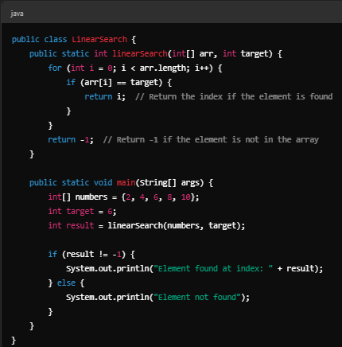
Expected Output:
Element found at index: 2
Complexity in a Cartesian Plane: |  | 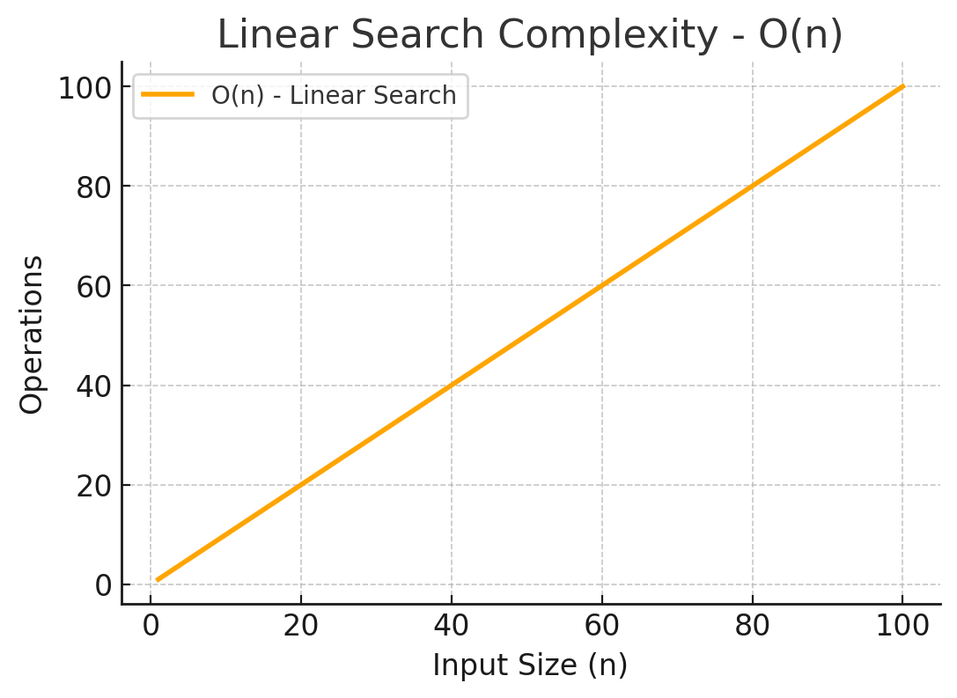
Best Case (O(1)): If the target is in the first position.
Worst Case (O(n)): If the target is in the last position or not in the list.
Average Case (O(n)): Found somewhere in the middle.
Now, I will plot its complexity in a Cartesian plane.
Summary of Complexity in a Cartesian Plane: | NO
The orange line represents O(n).
Linear growth: As the input size increases, the number of operations increases proportionally.
Best Case: O(1) if the element is in the first position.
Worst Case: O(n) if the element is in the last position or not in the array.
Average Case: O(n) (on average, the target is found in the middle of the list).

Búsqueda Binaria (Binary Search)

Explanation of the Binary Search Algorithm
Definition:
Binary search is an efficient search algorithm that works on sorted arrays
by repeatedly dividing the search space in half until the target value is found.

Use Cases:
Works only on sorted lists.
Efficient for large datasets compared to linear search.
Algorithm Steps
Given a sorted array and a target value (e.g., target = 7 in {1, 3, 5, 7, 9, 11}), follow these steps:
1️. Find the middle element of the array.
2️. Compare it with the target:
If it matches, return the index.
If the target is smaller, search in the left half.
If the target is larger, search in the right half.
3️. Repeat the process until the target is found or the search space is empty.

Example with a Sorted Array
Let's say we have the sorted array {2, 4, 6, 8, 10, 12, 14} and we are searching for 8.
Since 8 is found in one step, we stop searching.
If the target were 10, we would continue searching in {10, 12, 14}.

Java Implementation |  | 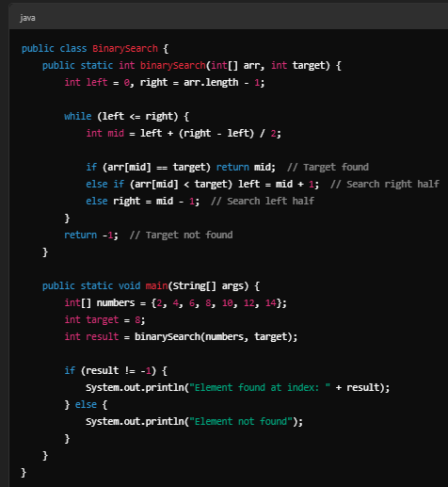
Expected Output:
Element found at index: 3

Complexity in a Cartesian Plane |  | 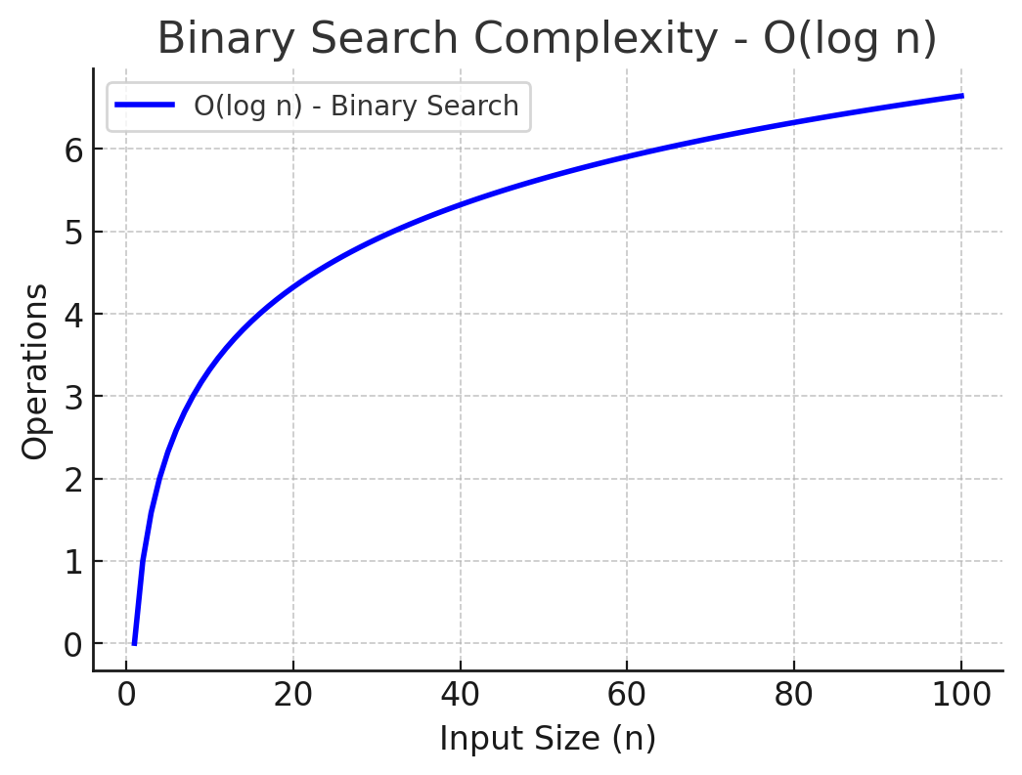
Best Case (O(1)): If the middle element is the target.
Worst Case (O(logn)): The search space halves in each step.
Average Case (O(logn)): Most searches take around log n steps.
Now, I will plot its complexity in a Cartesian plane.
Summary of Complexity in a Cartesian Plane
The blue line represents O(logn).
Logarithmic growth: The number of operations grows much slower than O(n) (linear search).
Best Case: O(1) if the middle element is the target.
Worst Case: O(logn), since the search space is halved in each step.
Average Case: O(logn) in most cases.

Búsqueda Ternaria (Ternary Search)

Explanation of the Ternary Search Algorithm
Definition:
Ternary search is an extension of binary search that divides the search space into three parts instead of two.
It works only on sorted arrays and is useful in some specific cases where the cost of comparisons is expensive.

Use Cases:
Works only on sorted lists.
More efficient than binary search in cases where comparisons are expensive
(e.g., searching in a huge dataset with slow lookups).
Used in optimization problems (e.g., finding a minimum or maximum value in a unimodal function).

Algorithm Steps
Given a sorted array and a target value (e.g., target = 7 in {1, 3, 5, 7, 9, 11, 13, 15}), follow these steps:
1️. Find two midpoints instead of one:
First mid: mid1= left+(𝑟𝑖𝑔ℎ𝑡−𝑙𝑒𝑓𝑡)/3
Second mid: mid2=right−(𝑟𝑖𝑔ℎ𝑡−𝑙𝑒𝑓𝑡)/3

2️. Compare both midpoints with the target:
If target == mid1, return mid1.
If target == mid2, return mid2.
If target < mid1, search in the first third of the array.
If target > mid2, search in the last third of the array.
Otherwise, search in the middle third of the array.
3️. Repeat the process until the target is found or the search space is empty.

Example with a Sorted Array
Let's say we have the sorted array {2, 4, 6, 8, 10, 12, 14, 16, 18} and we are searching for 10.
Since 10 is found in two steps, we stop searching.

Java Implementation |  | 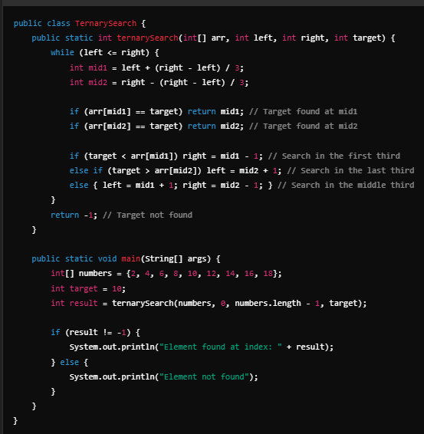
Expected Output:
Element found at index: 4

Complexity in a Cartesian Plane |  | 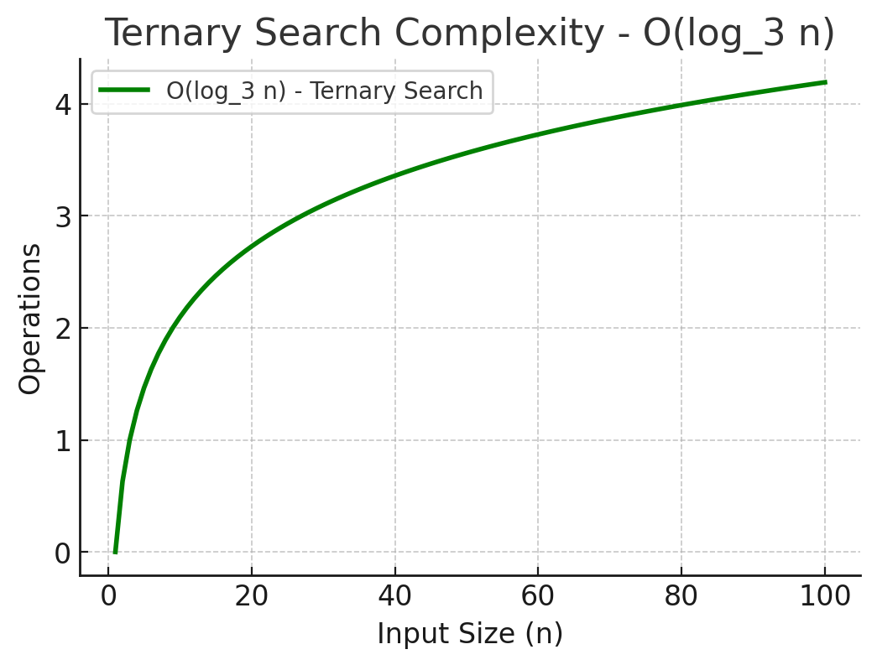
Best Case (O(1)): If one of the midpoints is the target.
Worst Case (O(log_3​ n)): The search space is divided by 3 instead of 2.
Average Case (O(log_3 n)): Most searches take around log_3 n steps.
Now, I will plot its complexity in a Cartesian plane.
Summary of Complexity in a Cartesian Plane
The green line represents O(log 3 n).
Logarithmic growth: The number of operations grows much slower than O(n) (linear search)
and slightly slower than O(log_2 n) (binary search).
Best Case: O(1) if the target is found at one of the midpoints.
Worst Case: O(log_3 n), since the search space is divided by 3 in each step.
Average Case: O(log_3 n), which is slightly better than binary search

Sheet4
Búsqueda Jump (Jump Search)

Algorithm Steps
Given a sorted array and a target value (e.g., target = 18 in {1, 4, 9, 12, 18, 21, 25, 30, 35}), follow these steps:
1️. Choose a block size of approximately square_root(n) (where n is the array size).
2️. Jump forward by block size until finding an element greater than or equal to the target.
3️. Perform a linear search within the last block.
4️. If the target is found, return its index; otherwise, return -1.

Example with a Sorted Array
Let's say we have the sorted array {2, 4, 6, 8, 10, 12, 14, 16, 18, 20} and we are searching for 18.
Step 1: Calculate Jump Size
The array has 10 elements, so the jump size is square_root(10)≈3.
Step 2: Jump Forward Until Target is Found or Exceeded
Step 3: Perform Linear Search in {14, 16, 18}

Complexity in a Cartesian Plane | 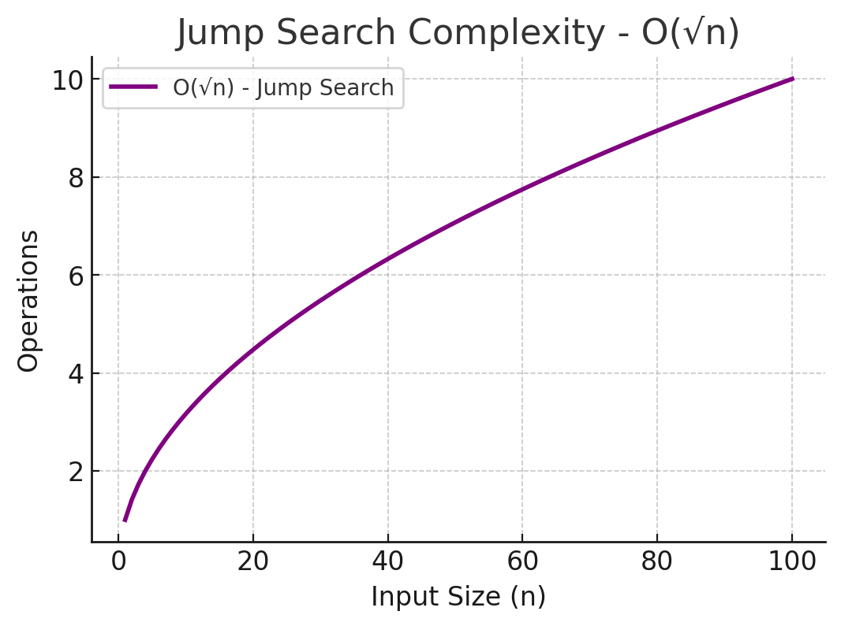
Best Case (O(1)): If the target is at the first block boundary.
Worst Case (𝑂 square_root(𝑛)): The target is near the end of the array.
Average Case (𝑂 square_root(𝑛)): Requires around 𝑛 n jumps + 𝑛 n comparisons.
Now, I will plot its complexity in a Cartesian plane.
Summary of Complexity in a Cartesian Plane
The purple line represents 𝑂(square_root(𝑛)).
Sublinear growth: The number of operations grows slower than 𝑂(𝑛) (linear search) but faster than 𝑂(log 𝑛) (binary search).
Best Case: O(1) if the target is found in the first jump.
Worst Case: 𝑂(square_root(𝑛)) since we may have to jump through the entire array and then perform a linear search.
Average Case: 𝑂(square_root(𝑛)) in most cases.

Explanation of the Exponential Search Algorithm
Definition:
Exponential Search is an efficient search algorithm that is used for searching in sorted arrays.
It works by doubling the search range exponentially until the target value is found or the range exceeds the array size.
After that, it performs a Binary Search on the identified range.

Use Cases:
Efficient for large sorted arrays.
Useful for unbounded/infinite arrays where we don’t know the size beforehand.
Faster than Binary Search when the target is near the beginning.

Algorithm Steps
Given a sorted array and a target value (e.g., target = 18 in {1, 2, 4, 8, 16, 18, 20, 24, 30}), follow these steps:
1️. Start at index 1 and exponentially double the index: arr[1], arr[2], arr[4], arr[8], arr[16]...
2️. Stop when the target is within the range or we reach the end of the array.
3️. Perform Binary Search in the identified range.

Example with a Sorted Array
Let's say we have the sorted array {1, 3, 6, 9, 12, 15, 18, 21, 24, 27} and we are searching for 18.
Now, a Binary Search is performed in {12, 15, 18, 21} and 18 is found at index 6.

Complexity in a Cartesian Plane | 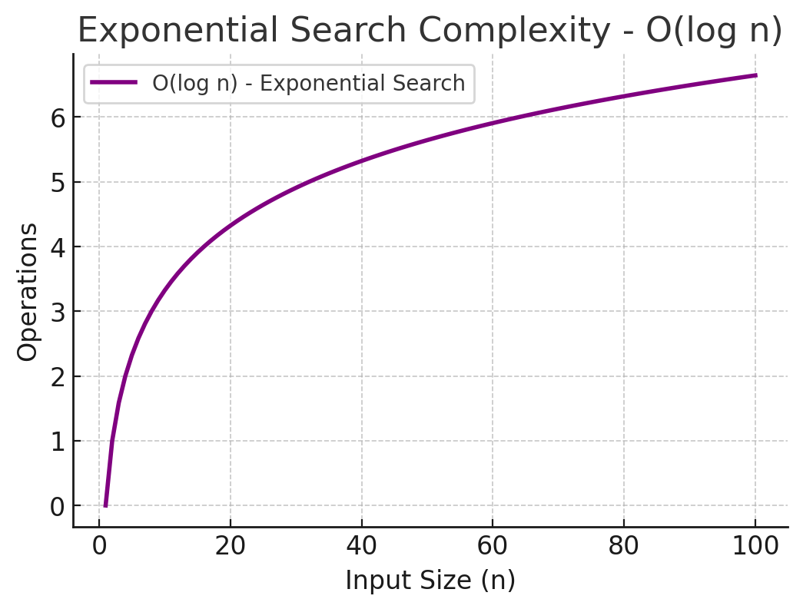
Best Case (O(1)): If the target is the first element.
Worst Case (O(log n)): The search space is reduced exponentially.
Average Case (O(log n)): Most searches take around log 𝑛 logn steps.
Now, I will plot its complexity in a Cartesian plane.
Summary of Complexity in a Cartesian Plane
The purple line represents 𝑂(log⁡ 𝑛), similar to binary search.
Logarithmic growth: The number of operations grows much slower than 𝑂(𝑛) (linear search).
Best Case: 𝑂(1) if the target is found in the first step.
Worst Case: 𝑂(log 𝑛), since the search space is reduced exponentially.
Average Case: 𝑂(log 𝑛) O(logn), making it an efficient search algorithm.

Explanation of the Fibonacci Search Algorithm
Definition:
Fibonacci Search is a comparison-based search algorithm that works on sorted arrays.
It uses Fibonacci numbers to divide the search range, instead of the middle index like Binary Search.

Use Cases:
Works only on sorted arrays.
More efficient than Binary Search in cases where accessing memory is expensive (e.g., disk storage or databases).
Used in large datasets where cache locality is a concern.

Algorithm Steps
Given a sorted array and a target value (e.g., target = 21 in {1, 3, 7, 10, 14, 21, 28, 36, 42}), follow these steps:

1. Find the smallest Fibonacci number greater than or equal to the array size (n).
Example Fibonacci sequence: 0, 1, 1, 2, 3, 5, 8, 13, 21, 34, ...
If n = 9, the smallest Fibonacci number ≥ 9 is 13.
2️. Use Fibonacci numbers to divide the array:
The partition index is determined by (fib[k-2]), where fib[k] is the Fibonacci number.
Compare the element at fib[k-2] with the target.
3️. Reduce the search space based on comparison:
If target == arr[fib[k-2]], return the index.
If target < arr[fib[k-2]], reduce the search space to the left.
If target > arr[fib[k-2]], reduce the search space to the right and update Fibonacci numbers.
4️. Repeat the process until the element is found or the search space is exhausted.

Example with a Sorted Array
Let's say we have the sorted array {1, 3, 7, 10, 14, 21, 28, 36, 42} and we are searching for 21.
Since 21 is found at index 5, we stop searching.

Complexity in a Cartesian Plane | 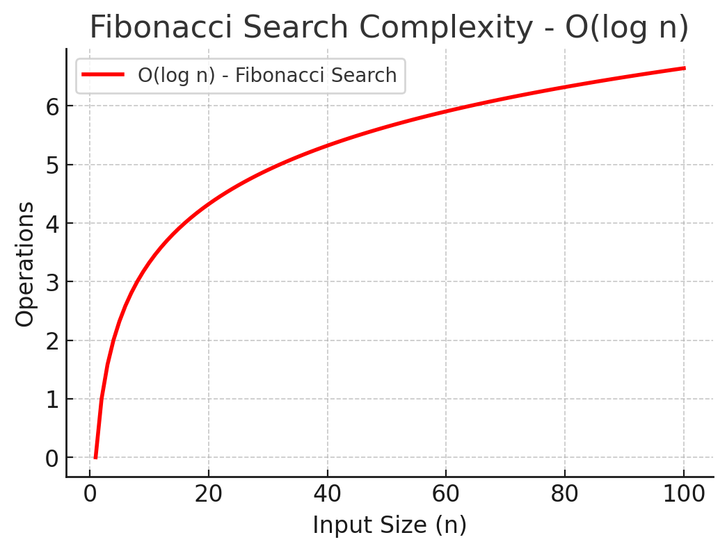
Best Case (O(1)): If the target is found in the first comparison.
Worst Case (𝑂(log𝑛): The search space is reduced using Fibonacci numbers.
Average Case (O(log n)): Most searches take around log 𝑛 logn steps.
Now, I will plot its complexity in a Cartesian plane.
Summary of Complexity in a Cartesian Plane
The red line represents O(logn), similar to binary search.
Logarithmic growth: The number of operations grows much slower than O(n) (linear search).
Best Case: O(1) if the target is found in the first step.
Worst Case: O(logn), since the search space is reduced using Fibonacci numbers.
Average Case: O(logn), making it an efficient search algorithm.

Sheet5
Búsqueda en Árbol Binario de Búsqueda (BST Search)

Explanation of the Interpolation Search Algorithm
Definition:
Interpolation Search is an improved version of Binary Search for sorted arrays.
Instead of always dividing the array into equal halves (like Binary Search),
it estimates the position of the target using a formula based on the distribution of values.
Use Cases:
Works only on sorted and uniformly distributed arrays.
Faster than Binary Search for evenly distributed datasets (e.g., salary data, timestamps, indexes).
Inefficient for non-uniformly distributed data.
Algorithm Steps
Given a sorted array and a target value (e.g., target = 70 in {10, 20, 30, 40, 50, 60, 70, 80, 90, 100}), follow these steps:

1️. Estimate the probable position of the target using the interpolation formula:
𝑝𝑜𝑠=low+ [ (𝑡𝑎𝑟𝑔𝑒𝑡−𝑎𝑟𝑟[low])×(high−low) ] / 𝑎𝑟𝑟[high]−𝑎𝑟𝑟[low]
This formula assumes a linear distribution of values.
If numbers are evenly distributed, this estimate is closer to the target's actual position.

2️. Compare the estimated position (pos) with the target:
If target == arr[pos], return pos.
If target < arr[pos], search in the left half.
If target > arr[pos], search in the right half.
3️. Repeat the process until the target is found or the search space is empty.

Example with a Sorted Array
Let's say we have the sorted array {10, 20, 30, 40, 50, 60, 70, 80, 90, 100} and we are searching for 70.
Since 70 is found at index 6 in one step, we stop searching.
If the target were 30, we would continue searching in the left half.

Complexity in a Cartesian Plane
Best Case (𝑂(1)): If the target is found in the first step (perfect estimation).
Worst Case (𝑂(𝑛)): If the data is not uniformly distributed, it degrades to linear search.
Average Case (O(log log n)): This is better than Binary Search for uniformly distributed data.
Now, I will plot its complexity in a Cartesian plane

Summary of Complexity in a Cartesian Plane | 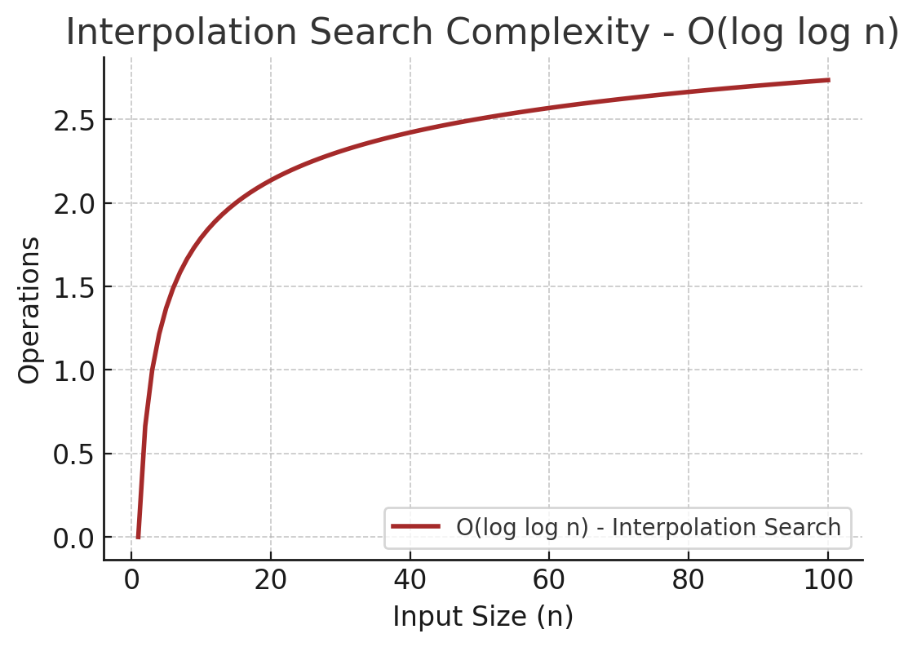
The brown line represents 𝑂(log log 𝑛),
which is even faster than 𝑂(log 𝑛) (Binary Search) for uniformly distributed data.
Super-logarithmic growth: The number of operations grows much slower than Binary Search.
Best Case: O(1) if the estimated position is exactly correct.
Worst Case: O(n), if the data is highly skewed and doesn't fit a linear pattern.
Average Case: O(log log n), making it one of the fastest search algorithms for sorted data.

Explanation of the AVL Tree Search Algorithm
Definition:
AVL Tree Search is a self-balancing binary search tree (BST)
algorithm that ensures the tree remains balancedafter insertions or deletions.
It maintains a balance factor of -1, 0, or 1 for each node, ensuring an optimal search time.
Use Cases:
Used when frequent insertions and deletions occur.
Faster than an unbalanced BST because it maintains balance.
Commonly used in database indexing, memory management, and network routing.
Algorithm Steps
Given an AVL tree and a target value, follow these steps:

1️. Start from the root node of the tree.
2️. Compare the target value with the current node:
If target == node.value, return the node.
If target < node.value, search in the left subtree.
If target > node.value, search in the right subtree.
3️. Continue the process recursively until the node is found or a null node is reached (meaning the element is not present).

Balancing the Tree After Insertions/Deletions
If an insertion or deletion unbalances the tree, it performs rotations:
Single Right Rotation (LL Rotation)
Single Left Rotation (RR Rotation)
Left-Right Rotation (LR Rotation)
Right-Left Rotation (RL Rotation)
Example of Searching in an AVL Tree
Let's consider this AVL tree:
Searching for 25:
Start at root (30). Since 25 < 30, move to left subtree.
Compare with 20. Since 25 > 20, move to right subtree.
Compare with 25. Match found.
Searching for 15:
Start at root (30). Move left (20).
Move left (10). Since 15 > 10, move right.
Right child is null → X 15 is not found.

Complexity in a Cartesian Plane | 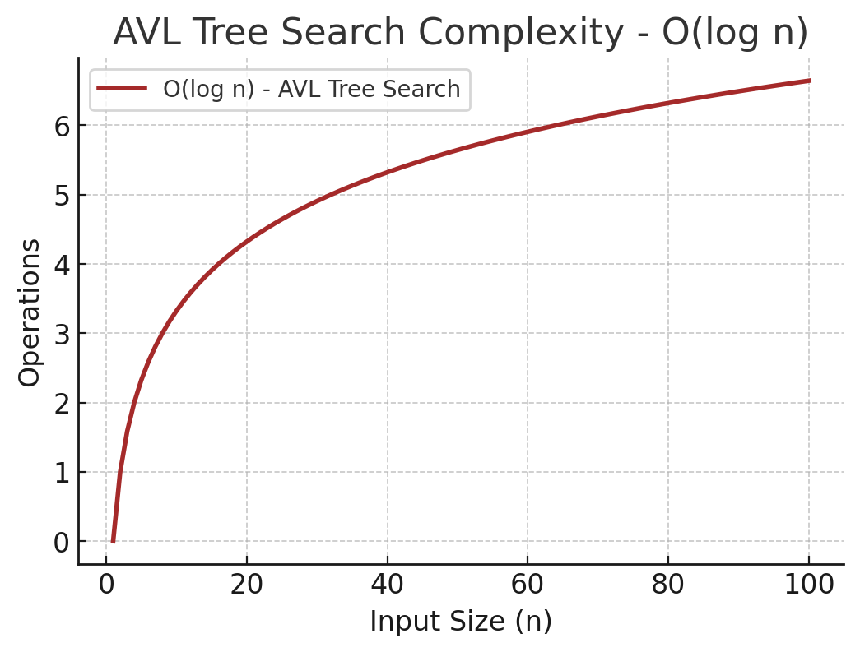
Best Case (𝑂(1)): If the target is at the root.
Worst Case (𝑂(log 𝑛)): In a balanced tree, the search depth is log 𝑛 logn.
Average Case (𝑂(log 𝑛)): Ensured by AVL balancing.
Now, I will plot its complexity in a Cartesian plane.
Summary of Complexity in a Cartesian Plane
The brown line represents O(log n), similar to binary search.
Logarithmic growth: The number of operations grows much slower than O(n) (linear search).
Best Case: O(1) if the target is at the root node.
Worst Case: O(log n), since AVL trees are always balanced.
Average Case: O(log n), ensuring efficient searches.

Explanation of the AVL Tree Search Algorithm
Definition:
AVL Tree Search is a search operation performed on an AVL Tree,
which is a self-balancing binary search tree (BST).
It ensures that the tree remains balanced by maintaining a balance factor of -1, 0, or 1 for each node.
This guarantees an optimal search time of 𝑂(log⁡ 𝑛).

Use Cases:
Used when frequent insertions and deletions occur.
Faster than an unbalanced BST because it maintains balance.
Commonly used in database indexing, memory management, and network routing.
Algorithm Steps
Given an AVL tree and a target value, follow these steps:

1️. Start from the root node of the tree.
2️. Compare the target value with the current node:

If target == node.value, return the node.
If target < node.value, search in the left subtree.
If target > node.value, search in the right subtree.
3️. Continue the process recursively until the node is found or a null node is reached (meaning the element is not present).
Balancing the Tree After Insertions/Deletions

If an insertion or deletion unbalances the tree, it performs rotations:
Single Right Rotation (LL Rotation)
Single Left Rotation (RR Rotation)
Left-Right Rotation (LR Rotation)
Right-Left Rotation (RL Rotation)

Complexity in a Cartesian Plane
Best Case (𝑂(1)): If the target is at the root.
Worst Case (𝑂(log 𝑛)): In a balanced tree, the search depth is log𝑛 logn.
Average Case (𝑂(log𝑛)): Ensured by AVL balancing.
Now, I will plot its complexity in a Cartesian plane.
Summary of Complexity in a Cartesian Plane
The brown line represents 𝑂(log⁡ 𝑛), similar to binary search.
Logarithmic growth: The number of operations grows much slower than 𝑂(𝑛) (linear search).
Best Case: 𝑂(1) if the target is at the root node.
Worst Case: 𝑂(log⁡ 𝑛), since AVL trees are always balanced.

Sheet6
Explanation of Hash Table Search (Hashing Search)
Definition:
Hash Table Search is an efficient searching technique that uses a hash function to map keys to indices in an array (hash table).
It provides constant-time 𝑂(1) O(1) average search time for most cases.

Use Cases:
Used when fast lookups are needed, such as:
Databases (indexing records).
Caches (storing frequently accessed data).
Symbol tables in compilers/interpreters.
Password storage (hashing passwords securely).

Algorithm Steps
Given a dataset and a target value, follow these steps:

1️. Compute the hash value using a hash function:
Example: hash(key) = key % table_size
This determines the index where the value is stored.
2️. Check if the key exists at the computed index:
If found, return the value.
If not found, return null or -1 (depending on the implementation).
3️. Handle collisions (if two keys map to the same index):

Chaining (linked lists to store multiple values at the same index).
Open Addressing (finding the next available slot).

Example of Hash Table Search
Consider a hash table of size 10 and the keys {15, 25, 35, 45}.
Using modulus hashing (hash(key) = key % 10):
Collision Handling: Using chaining, all values at index 5 are stored as a linked list.

✅ Searching for 35:
Compute 35 % 10 = 5.
Check index 5 in the table.
Search within the linked list at index 5.
✅ Found.
✅ Searching for 50:
Compute 50 % 10 = 0.
Index 0 is empty.
❌ Not Found.

Complexity in a Cartesian Plane | 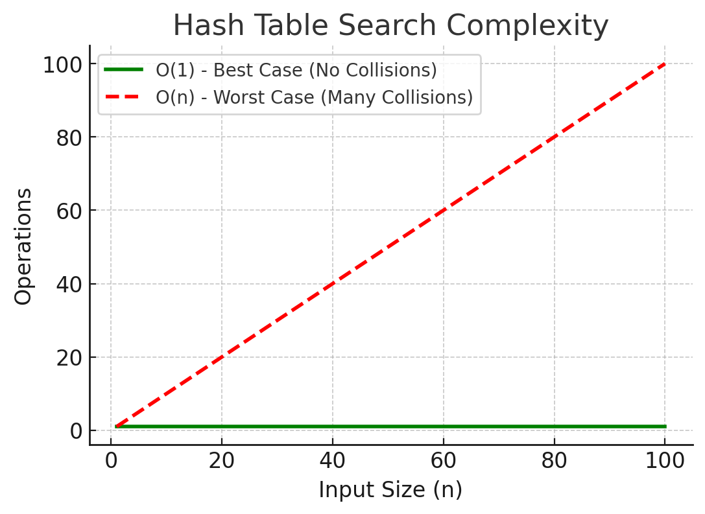
Best Case (𝑂(1)): If the hash function distributes keys uniformly.
Worst Case (𝑂(𝑛)): If many collisions occur and all elements are stored in a single index.
Average Case (𝑂(1)): Most searches are constant-time.
Now, I will plot its complexity in a Cartesian plane.
Summary of Complexity in a Cartesian Plane
The green line represents O(1) (Best Case, No Collisions) → Fast constant-time search.
The red dashed line represents O(n) (Worst Case, Many Collisions) → Degraded performance when all keys collide.

Explanation of Breadth-First Search (BFS) Algorithm
Definition:
Breadth-First Search (BFS) is a graph traversal
algorithm that explores all nodes at the current depth level before moving to the next level.
It uses a queue (FIFO) to process nodes layer by layer.

Use Cases:
Shortest path search in an unweighted graph.
Web crawling (traversing hyperlinks in web pages).
Social network analysis (finding connections).
AI and game trees (finding optimal moves).

Algorithm Steps
Given a graph and a starting node, follow these steps:
1️. Initialize:
Create a queue and enqueue the starting node.
Mark the starting node as visited.
2️. Process nodes level by level:
Dequeue a node from the queue.
Visit all its unvisited neighbors and enqueue them.
Repeat until the queue is empty.

BFS Traversal (Starting from Node 1):

Step 1: Visit 1, enqueue [2, 3]
Step 2: Visit 2, enqueue [4, 5]
Step 3: Visit 3, enqueue [6]
Step 4: Visit 4, no new nodes
Step 5: Visit 5, no new nodes
Step 6: Visit 6, no new nodes
Final BFS Order: 1 → 2 → 3 → 4 → 5 → 6

Complexity in a Cartesian Plane | 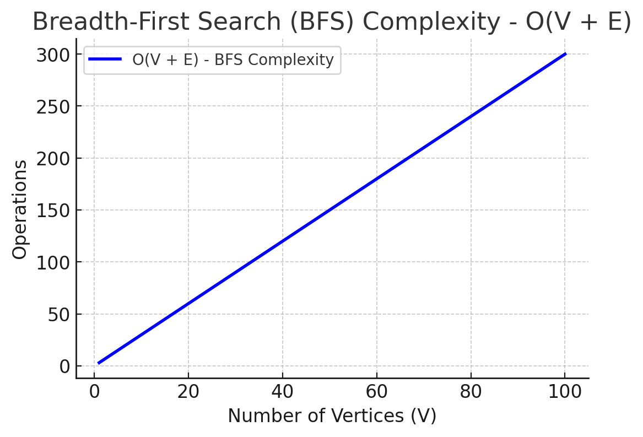
Best Case (O(1)): If the target is at the root.
Worst Case (O(V+E)): All nodes and edges are explored.
Average Case (O(V+E)): Most searches process the entire graph.
Now, I will plot its complexity in a Cartesian plane.
Summary of Complexity in a Cartesian Plane
The blue line represents O(V+E).
Linear growth: The number of operations grows as the number of vertices (V) and edges (E) increases.
Best Case: O(1) if the target is the first node.
Worst Case: O(V+E), as BFS explores all vertices and edges.
Average Case: 𝑂(𝑉+𝐸), since most graphs require full traversal.

Explanation of Dijkstra’s Algorithm (Shortest Path Search)
Definition:
Dijkstra’s Algorithm is an optimal shortest path algorithm for weighted graphs.
It finds the shortest distance from a source node to all other nodes in a graph.
It uses a priority queue (min-heap) to efficiently pick the node with the smallest known distance.
Use Cases:
GPS navigation (Google Maps, Waze).
Network routing (shortest data packet path).
AI pathfinding (games, robotics).
Telecommunications (optimizing data flow).

Algorithm Steps
Given a graph with weighted edges and a source node, follow these steps:

1️. Initialize:
Create a distance array with values ∞ (infinity), except the source node, which is 0.
Use a priority queue (min-heap) to store (distance, node) pairs.
2️. Process nodes:
Extract the node with the smallest distance from the queue.
Relax all its neighboring nodes:
If a shorter path to a neighbor is found, update its distance and push it into the queue.
3️. Repeat until all nodes are processed.

Complexity in a Cartesian Plane | 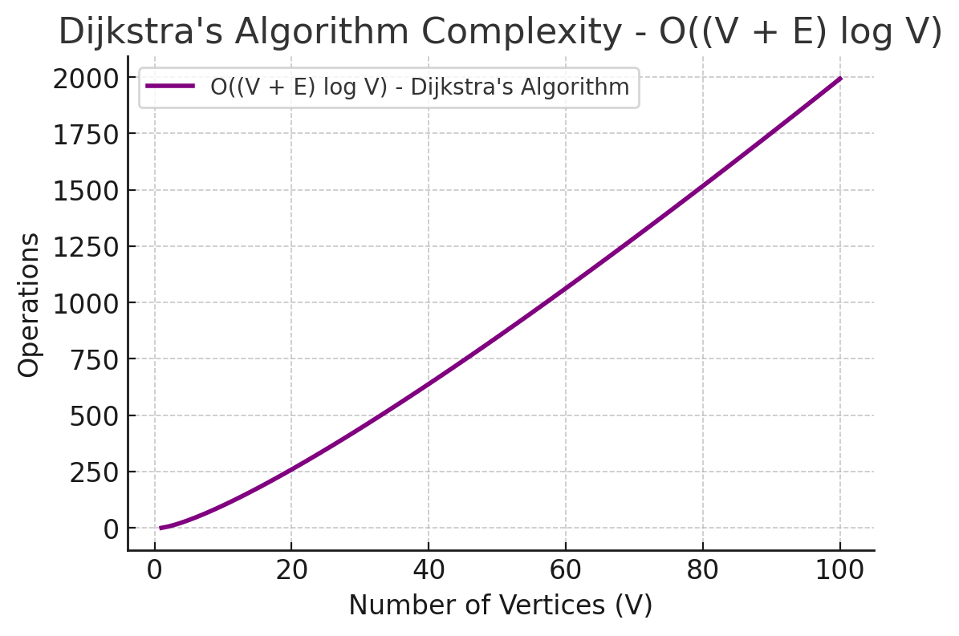
Best Case (𝑂(1)): If the shortest path is found in the first step.
Worst Case (𝑂((𝑉+𝐸)log𝑉)): Using a priority queue (min-heap).
Average Case (𝑂((𝑉+𝐸)log𝑉)): Most searches require full traversal.
Now, I will plot its complexity in a Cartesian plane.
Summary of Complexity in a Cartesian Plane
The purple line represents 𝑂((𝑉+𝐸)log 𝑉).
Logarithmic growth dominates due to the priority queue (min-heap).
Best Case: 𝑂(1) if the shortest path is found immediately.
Worst Case: 𝑂((𝑉+𝐸)log 𝑉), as all vertices and edges are processed.
Average Case: 𝑂((𝑉+𝐸)log 𝑉), balancing exploration and path updates.

Sheet7
Explanation of the A (A-Star) Algorithm*
Definition:
A* (A-Star) is an optimal shortest path algorithm that improves upon Dijkstra's algorithm by incorporating a heuristic function
to prioritize exploration toward the goal.
It is widely used in pathfinding and AI applications.
Use Cases:
Game AI (e.g., NPC pathfinding in video games).
Robotics (autonomous vehicle navigation).
GPS navigation (finding shortest and fastest routes).
Graph traversal in AI (solving mazes, planning optimal moves).
Algorithm Steps
Given a graph with weighted edges, a start node, and a goal node, follow these steps:
1️. Initialize:
Create a priority queue (min-heap) to store nodes based on their estimated cost.
Create a distance map storing the shortest known distance to each node (initialize to ∞ except the start node, which is 0).
Create a heuristic function ℎ(𝑛) h(n) that estimates the cost from the current node to the goal.
2️. Process nodes:
Extract the node with the lowest estimated total cost 𝑓(𝑛)=𝑔(𝑛)+ℎ(𝑛), where:𝑔(𝑛)
g(n) is the known shortest distance from the start node.ℎ(𝑛)
h(n) is the estimated distance to the goal (heuristic).
Update neighbors if a shorter path is found and add them to the priority queue.
3️. Repeat until the goal is reached or no nodes are left.
*Using A to Find Shortest Path from A to E**:
Start at A, estimate distance to E using heuristic h(n).
Explore nodes prioritizing lower f(n)=g(n)+h(n).
Continue until E is reached.

Complexity in a Cartesian Plane | 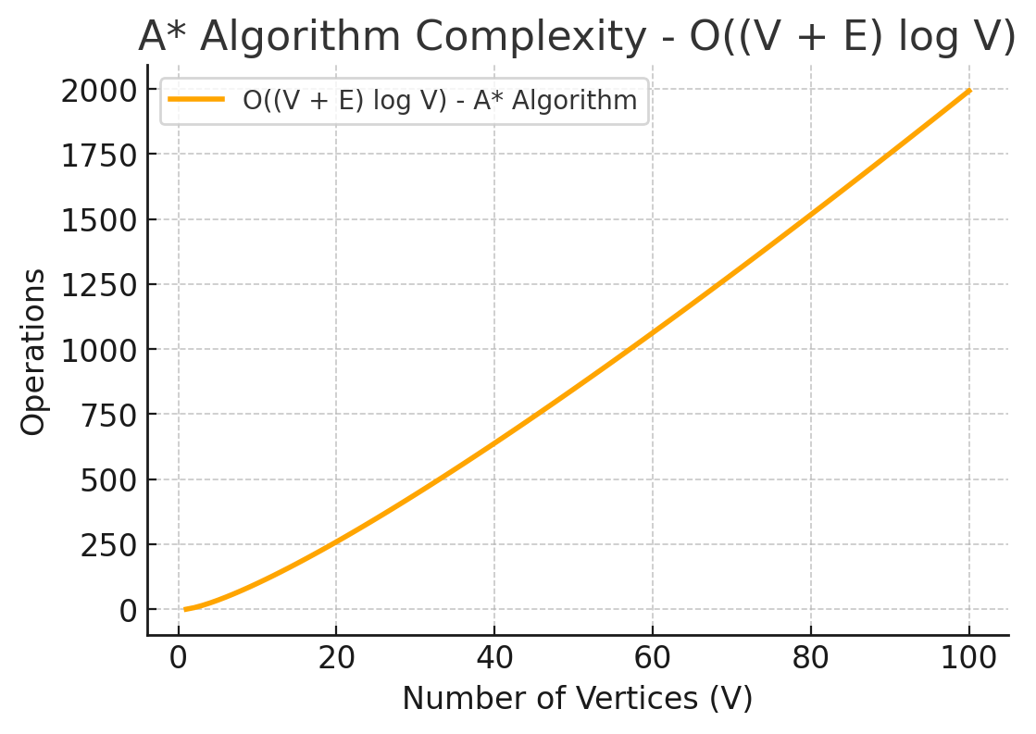
Best Case (𝑂(1) O(1)): If the heuristic perfectly estimates the shortest path.
Worst Case (𝑂((𝑉+𝐸)log𝑉) O((V+E)logV)): Using a priority queue (min-heap).
Average Case (𝑂((𝑉+𝐸)log 𝑉)
O((V+E)logV)): Balancing between heuristic estimation and path updates.
Now, I will plot its complexity in a Cartesian plane.
Summary of Complexity in a Cartesian Plane
The orange line represents O((V+E)log V), similar to Dijkstra’s algorithm.
Logarithmic growth dominates due to the priority queue (min-heap).
Best Case: O(1) if the heuristic perfectly guides the search.
Worst Case: O((V+E)log V), as all vertices and edges are processed.

Explanation of the KMP (Knuth-Morris-Pratt) Algorithm
Definition:
The Knuth-Morris-Pratt (KMP) algorithm is an efficient pattern matching algorithm that searches
for a substring (pattern) within a larger string (text).
It preprocesses the pattern to avoid unnecessary comparisons,
making it faster than brute-force searching.

Use Cases:
Text searching (word processing, searching in large documents).
DNA sequence analysis (finding genetic patterns).
Spam detection (matching spam keywords in emails).
Network security (detecting known patterns in network traffic).
Algorithm Steps
Given a text and a pattern, follow these steps:

1️. Preprocess the pattern to create the LPS (Longest Prefix Suffix) array:
LPS array stores the longest proper prefix which is also a suffix for each prefix of the pattern.
This helps in avoiding redundant comparisons.
2️. Use the LPS array to perform the search efficiently:
Compare the pattern with the text.
If a mismatch occurs, use the LPS array to skip unnecessary comparisons.

Example of KMP Algorithm | 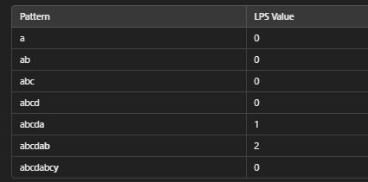
Text: "abcxabcdabcdabcy"
Pattern: "abcdabcy"
Step 1: Compute the LPS Array
Step 2: Pattern Matching
Start comparing the pattern with the text.
Use the LPS array to skip comparisons on mismatches.
Continue until the pattern is found.
Pattern "abcdabcy" found at index 8 in the text "abcxabcdabcdabcy".

Complexity in a Cartesian Plane | 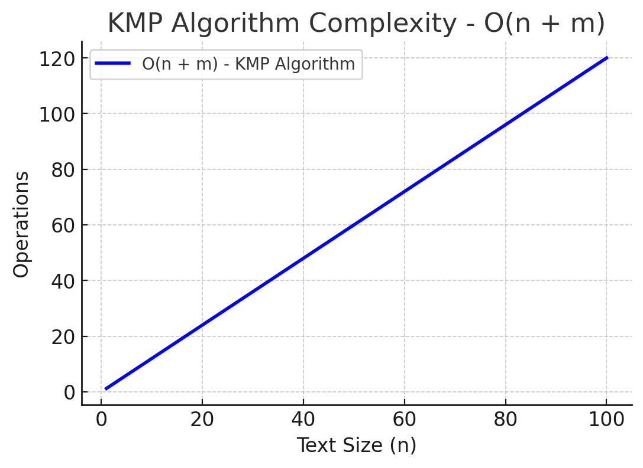
Preprocessing Step (O(m)): Constructing the LPS array.
Search Step (O(n)): Efficient pattern matching using LPS.
Overall Complexity (O(n+m)): Much faster than brute-force O(nm).
Now, I will plot its complexity in a Cartesian plane.
Summary of Complexity in a Cartesian Plane The blue line represents O(n+m).
Linear growth: The number of operations increases proportionally to text size 𝑛n and pattern size 𝑚m.
Best Case: O(n) when no backtracking is required.
Worst Case: O(n+m), making it significantly faster than brute-force O(nm)

Explanation of the Boyer-Moore Algorithm
Definition:
The Boyer-Moore algorithm is an efficient pattern matching algorithm
that searches for a substring (pattern) within a larger string (text).
It scans from right to left, using two heuristics to skip unnecessary comparisons,
making it one of the fastest pattern matching algorithms.

Use Cases:
Text searching (word processing, large text file searching).
DNA sequence analysis (finding genetic markers).
Malware detection (matching signatures in files).
Spam filtering (detecting blacklisted words).
Algorithm Steps
Given a text and a pattern, follow these steps:

1️. Preprocess the pattern:
Bad Character Heuristic: Determines how far to shift the pattern when a mismatch occurs.
Good Suffix Heuristic: Allows skipping unnecessary comparisons by analyzing repeated suffixes.
2️. Search the text using the heuristics:

Start comparing from the rightmost character of the pattern.
If a mismatch occurs, use precomputed heuristics to shift the pattern efficiently.
Repeat until the pattern is found or the text is fully scanned.

Example of Boyer-Moore Algorithm
Text: "HERE IS A SIMPLE EXAMPLE"
Pattern: "EXAMPLE"
Step 1: Compute the Bad Character Table
Step 2: Pattern Matching
Start comparing "EXAMPLE" from right to left.
Use the bad character rule to shift efficiently on mismatches.
Continue until the pattern is found.
Pattern "EXAMPLE" found at index 17 in the text.

Complexity in a Cartesian Plane | 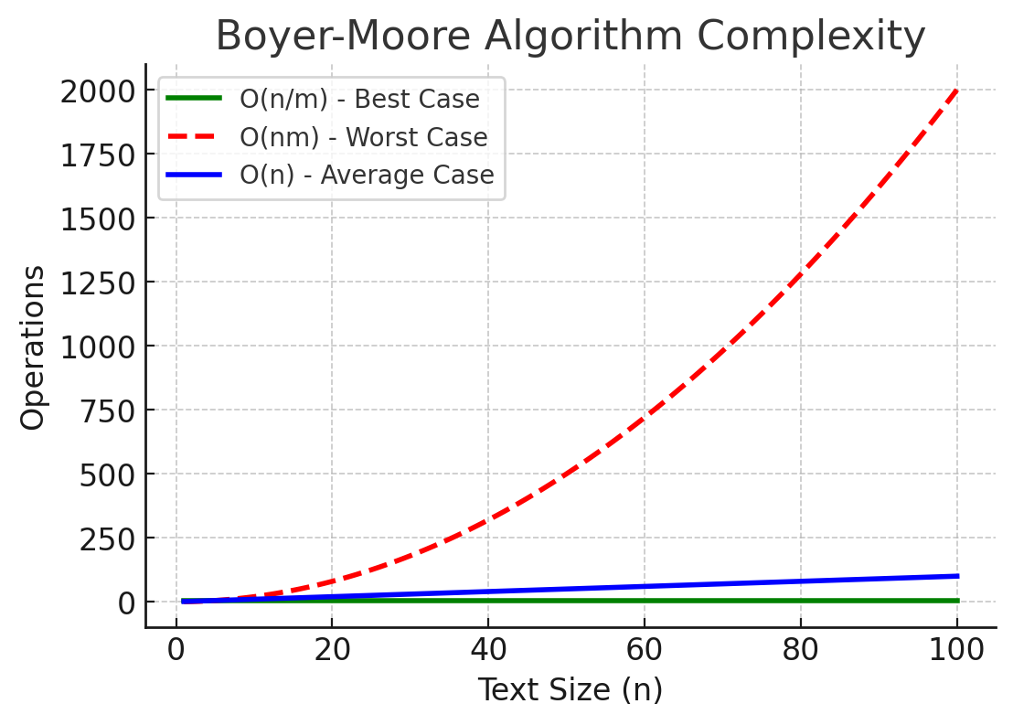
Best Case (O(n/m)): Pattern skips large sections of the text.
Worst Case (O(nm)): Occurs when all characters match but in different orders.
Average Case (O(n)): Most searches run in linear time.
Now, I will plot its complexity in a Cartesian plane.
Summary of Complexity in a Cartesian Plane
The green line represents O(n/m) (Best Case) → The pattern skips large portions of the text.
The blue line represents O(n) (Average Case) → The algorithm performs well in most cases.
The red dashed line represents O(nm) (Worst Case) → Happens when there are repeated partial matches.

Sheet8
Explanation of the Rabin-Karp Algorithm
Definition:
The Rabin-Karp algorithm is a pattern matching algorithm that uses hashing to search for
a substring (pattern) within a larger string (text).
Instead of checking characters one by one, it compares hash values,
making it efficient for multiple pattern searches.

Use Cases:

Plagiarism detection (matching text snippets).
Spam filtering (detecting specific words or phrases).
DNA sequence searching (finding genetic markers).
Database searches (matching multiple keys efficiently).
Algorithm Steps
Given a text and a pattern, follow these steps:

1️. Compute the hash value of the pattern.
2️. Compute the hash values of substrings in the text (same length as the pattern).
3️. Compare the hash values:

If the hash values match, check the actual characters to confirm a match.
If they don't match, slide the window and recompute the hash.
4️. Repeat until the pattern is found or the text is fully scanned.
Rolling Hash Technique (Optimized Hash Computation)

Instead of recalculating the entire hash from scratch, we compute it incrementally:
new hash =(old hash − leftmost character contribution) × base+new character
new hash=(old hash−leftmost character contribution)×base+new character
This reduces time complexity to 𝑂(𝑛+𝑚) O(n+m).
Example of Rabin-Karp Algorithm
Text: "ABCDABCXABCD"
Pattern: "ABCD"
Step 1: Compute Hash Values
Pattern "ABCD" found at indexes 0 and 8.

Complexity in a Cartesian Plane | 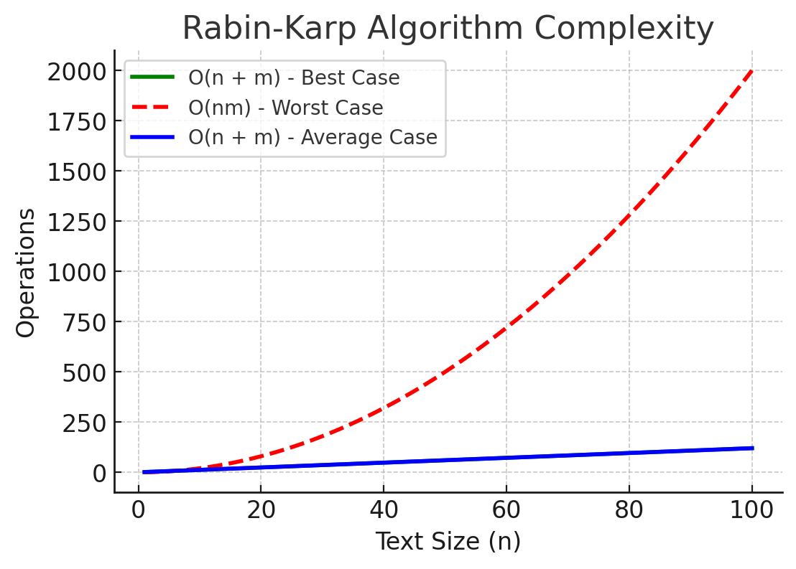
Best Case (𝑂(𝑛+𝑚)): When no false hash matches occur.
Worst Case (𝑂(𝑛𝑚)): When every hash matches but characters mismatch.
Summary of Complexity in a Cartesian Plane
The green line represents O(n+m) (Best Case) → No false hash matches, efficient execution.
The blue line represents 𝑂(𝑛+𝑚) (Average Case) → Fast with good hash functions.
The red dashed line represents 𝑂(𝑛𝑚) (Worst Case) → Every hash collides, causing character-by-character comparisons.

Explanation of Trie Search (Prefix Tree Search)
Definition:
A Trie (Prefix Tree) is a specialized search tree used for fast retrieval of strings or prefixes.
It is particularly efficient for searching words, autocomplete suggestions, and dictionary operations.

Use Cases:
Autocomplete systems (Google Search, mobile keyboards).
Dictionary lookups (storing and searching words).
IP routing (storing prefixes for fast lookups).
Spell checking (suggesting correct words).
Algorithm Steps
Given a Trie and a search word, follow these steps:

1️. Construct the Trie:
Each node represents a character.
Words are inserted character by character.
The end of a word is marked.
2️. Search for a word:
Start at the root.
Follow the character path for each letter of the word.
If a path exists and reaches the last character, the word exists in the Trie.

Complexity in a Cartesian Plane | 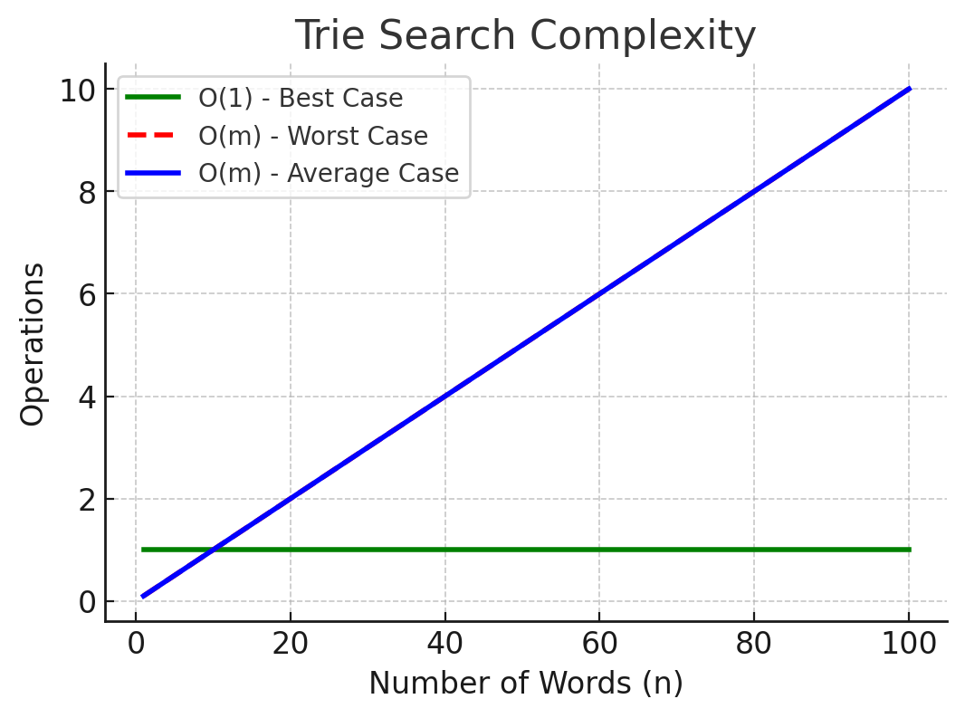
Best Case (𝑂(1)): If the word is at the root level.
Worst Case (𝑂(𝑚)): Where 𝑚
m is the length of the word.
Average Case (𝑂(𝑚)): Most words are found by traversing their length.
Now, I will plot its complexity in a Cartesian plane.
Summary of Complexity in a Cartesian Plane
The green line represents 𝑂(1) (Best Case) → Instant match at the root level.
The blue line represents 𝑂(𝑚) (Average Case) → Searching a word of length 𝑚m.
The red dashed line represents 𝑂(𝑚) (Worst Case) → Full traversal needed

Explanation of the Bellman-Ford Algorithm
Definition:
The Bellman-Ford algorithm is a shortest path algorithm used in weighted graphs,
including those with negative edge weights.
Unlike Dijkstra's algorithm, it can handle negative weights and detect negative weight cycles.
Use Cases:
Finding shortest paths in graphs with negative weights.
Network routing (such as Distance Vector Routing in networking).
Currency arbitrage (detecting profit opportunities in forex trading).
Graph-based optimization problems.

Algorithm Steps
Given a graph with weighted edges and a source node, follow these steps:
1️. Initialize:

Create a distance array, setting all values to ∞ (infinity) except the source node, which is 0.
2️. Relax all edges (V - 1) times:

For each edge (𝑢,𝑣,𝑤) (where 𝑢u and 𝑣v are nodes, and 𝑤w is weight), update:
if distance[𝑢]+𝑤 < distance [𝑣], then update distance[𝑣]=distance[𝑢]+𝑤.
3️. Check for negative weight cycles:
If a distance update is still possible after 𝑉−1 V−1 iterations, a negative cycle exists.

Complexity in a Cartesian Plane | 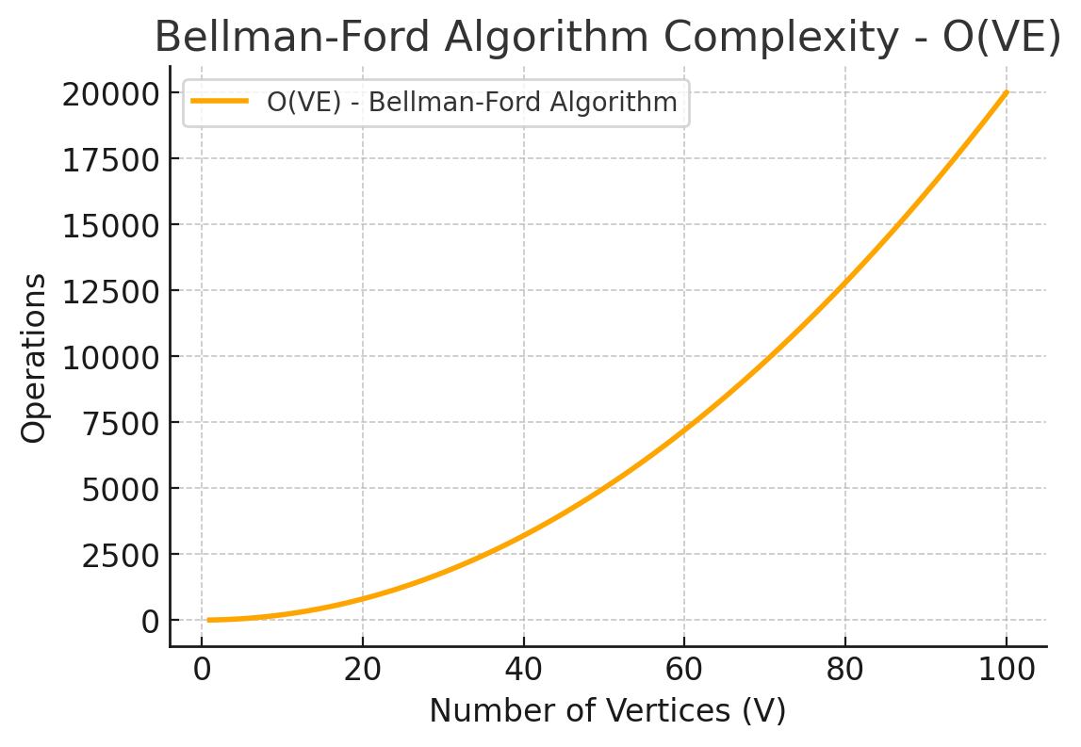
Best Case (𝑂(𝑉+𝐸)): If the shortest path is found in a single iteration.
Worst Case (𝑂(𝑉𝐸)): All edges need to be processed 𝑉−1V−1 times.
Average Case (𝑂(𝑉𝐸)): Requires multiple iterations.
Now, I will plot its complexity in a Cartesian plane.
Summary of Complexity in a Cartesian Plane
The orange line represents 𝑂(𝑉𝐸), meaning complexity grows as the number of vertices 𝑉V and edges 𝐸E increase.
Best Case: 𝑂(𝑉+𝐸) if all paths stabilize quickly.
Worst Case: 𝑂(𝑉𝐸), requiring full relaxation of all edges.
Average Case: 𝑂(𝑉𝐸), especially for graphs with many edges.

Sheet9
Explanation of the Floyd-Warshall Algorithm
Definition:
The Floyd-Warshall algorithm is a shortest path algorithm that finds the shortest distances between all pairs
of nodes in a weighted graph. Unlike Dijkstra and Bellman-Ford,
which find shortest paths from a single source,
Floyd-Warshall solves the all-pairs shortest path problem.
Use Cases:
Shortest paths between all locations in road networks.
Network routing (finding lowest latency paths).
Transitive closure of a graph (determining reachability).
Game development (finding shortest paths between all NPC locations).
Algorithm Steps
Given a graph with weighted edges, follow these steps:

1️. Initialize the distance matrix:
Create a matrix where dist[i][j] stores the weight of the edge between node 𝑖i and node 𝑗j.
If no direct edge exists, set dist[i][j] = ∞ (except for dist[i][i] = 0).
2️. Iterate over all possible intermediate nodes 𝑘k:

For each pair of nodes (𝑖,𝑗) (i,j), check if going through node 𝑘 k provides a shorter path:
if dist[i][k]+dist[k][j]<dist[i][j], update dist[i][j]=dist[i][k]+dist[k][j].
3️. Repeat for all nodes:

After 𝑉V iterations, the matrix contains the shortest distances between all pairs.

Complexity in a Cartesian Plane | 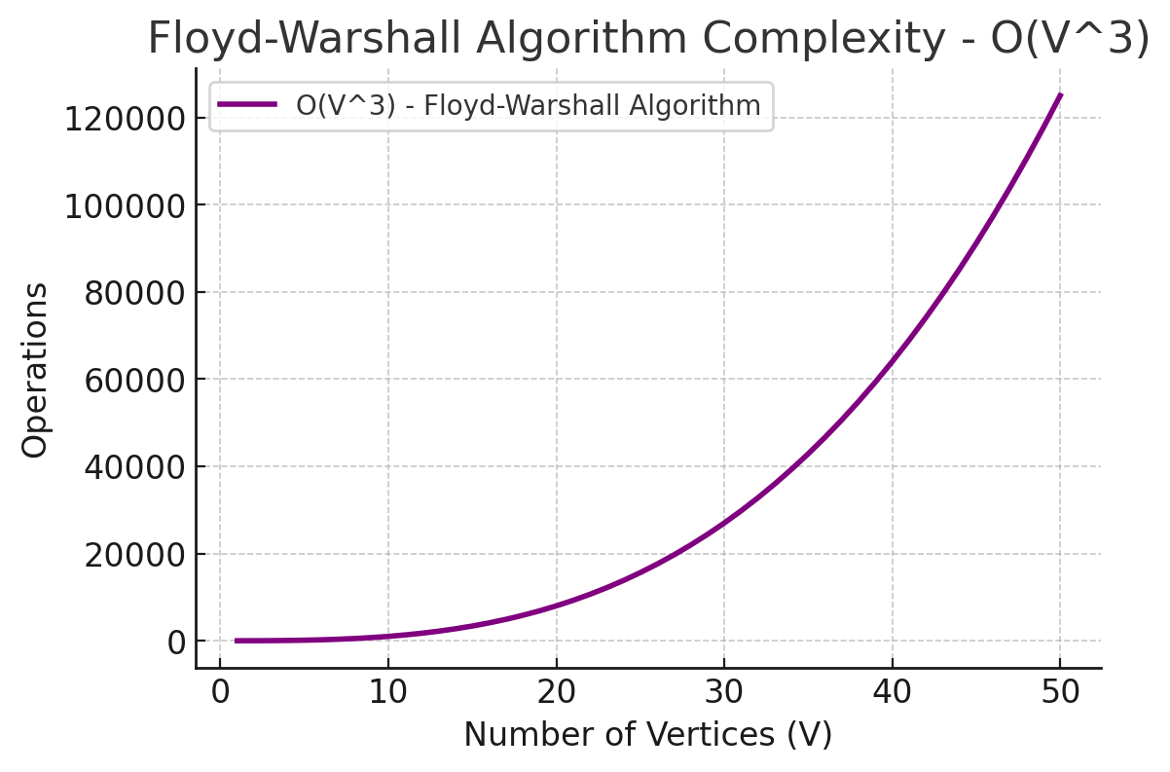
Best Case (𝑂(𝑉3)): The graph is already optimized.
Worst Case (𝑂(𝑉3)): Every pair needs updating.
Average Case (𝑂(𝑉3)): Every node is checked as an intermediate node.
Now, I will plot its complexity in a Cartesian plane.
Summary of Complexity in a Cartesian Plane
The purple line represents 𝑂(𝑉3),
showing that the algorithm's complexity grows cubically as the number of vertices increases.
Best Case: 𝑂(𝑉3) (Even in optimal conditions, every node is checked).
Worst Case: 𝑂(𝑉3) (All node pairs require updates).
Average Case: 𝑂(𝑉3) (The algorithm always iterates through three nested loops).

Explanation of IDDFS (Iterative Deepening Depth-First Search)
Definition:
Iterative Deepening Depth-First Search (IDDFS) is a graph traversal algorithm
that combines the depth-first search (DFS) approach with the breadth-first search (BFS) strategy.
It performs a DFS up to a depth limit and incrementally increases the depth, ensuring an optimal path is found.

Use Cases:
Artificial Intelligence (AI) Search Problems (e.g., Chess move search, Pathfinding in games).
Memory-efficient search in large graphs (IDDFS avoids storing all nodes like BFS).
Solving puzzles (e.g., solving the 8-puzzle game using tree search).
Finding shortest paths in unweighted graphs.

Algorithm Steps
Given a graph and a target node, follow these steps:

1️. Set a depth limit: Start from depth = 0.
2️. Perform Depth-Limited DFS (DLS): Run a standard DFS up to the depth limit.
3️. If the target is not found, increase the depth limit and repeat DLS.
4️. Repeat until the target is found or the entire graph is explored.
IDDFS = BFS (optimality) + DFS (low memory usage).

Complexity in a Cartesian Plane | 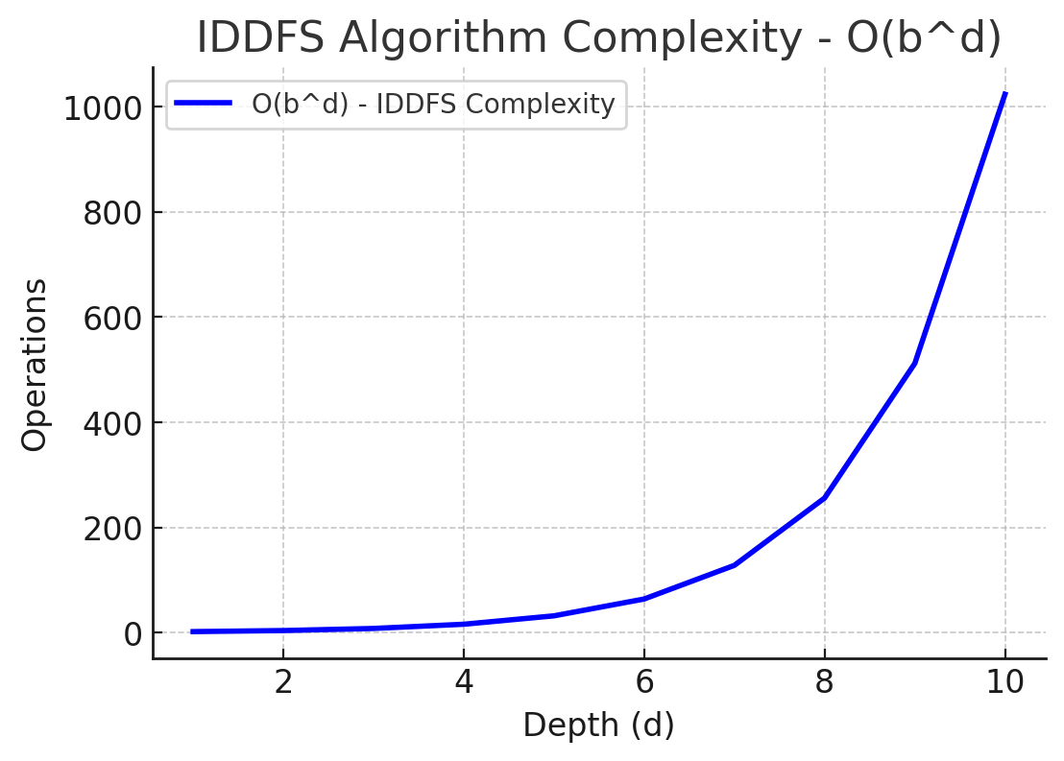
Best Case (O(1)): If the target is the root.
Worst Case (O(b d )): Equivalent to DFS complexity.
Average Case (O(b d)): The algorithm iterates over depth levels.
Now, I will plot its complexity in a Cartesian plane
Summary of Complexity in a Cartesian Plane
The blue line represents O(b d), showing exponential growth as depth increases.
Best Case: O(1) if the target is at the root.
Worst Case: O(b d ), similar to DFS.
Average Case: O(b d ), requiring full depth exploration.

Explanation of Johnson's Algorithm
Definition:
Johnson's Algorithm is an all-pairs shortest path algorithm used for weighted directed graphs,
including graphs with negative edge weights.
It combines Bellman-Ford and Dijkstra’s Algorithm to efficiently compute the shortest paths.

Use Cases:
Routing in weighted graphs (e.g., network routing, logistics planning).
Graph-based optimizations (e.g., analyzing transportation networks).
Handling graphs with negative weights without negative cycles.
Algorithm Steps
Given a graph with weighted edges, follow these steps:

1️. Run Bellman-Ford Algorithm:
Add a new temporary node q connected to all nodes with zero-weight edges.
Run Bellman-Ford from q to compute the shortest distance ℎ(𝑣) h(v) to every node.
If a negative weight cycle exists, stop (shortest paths are undefined).
2️. Reweight the Graph:

Use the computed ℎ(𝑣)
h(v) values to adjust edge weights:𝑤′(𝑢,𝑣)=𝑤(𝑢,𝑣)+ℎ(𝑢)−ℎ(𝑣)
This ensures that all edge weights become non-negative.
3️. Run Dijkstra’s Algorithm from each node**:

Since all edges are now non-negative, Dijkstra’s Algorithm finds the shortest paths efficiently.
4️. Reconvert to Original Weights:
Convert the final distances back using: 𝑑(𝑢,𝑣)=𝑑′(𝑢,𝑣)+ℎ(𝑣)−ℎ(𝑢)
Johnson’s Algorithm efficiently computes shortest paths for all node pairs in graphs with negative weights.

Complexity in a Cartesian Plane | 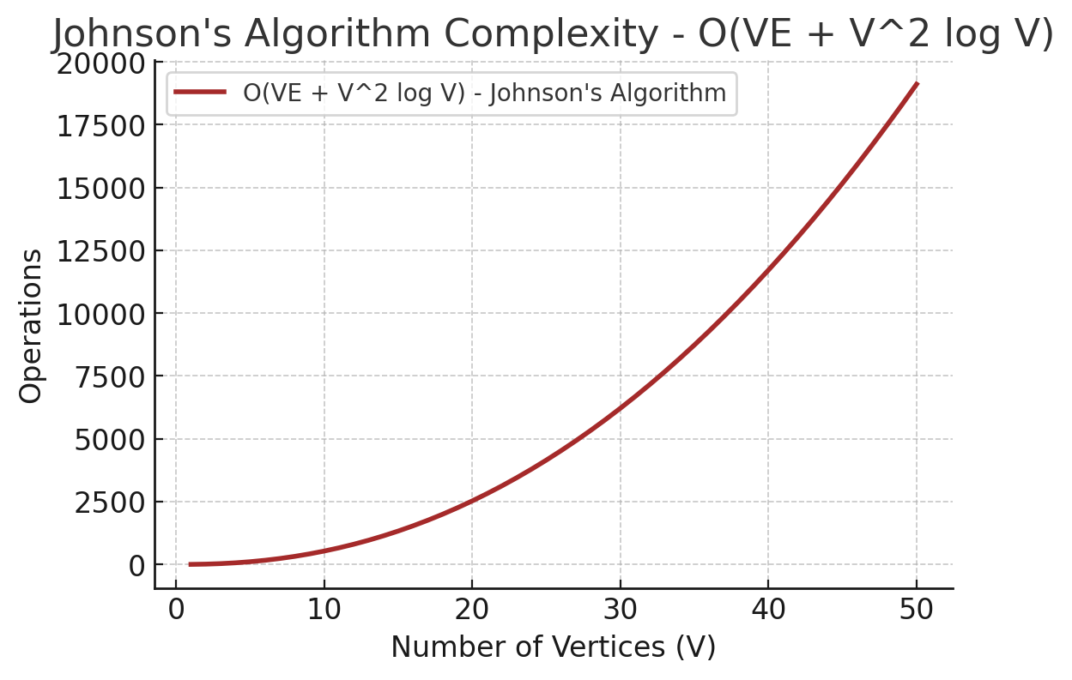
Best Case O(V 2 log V): Graph is sparse.
Worst Case O(VE+V 2 log V): Dense graph with many edges.
Average Case O(VE+V 2 log V): Most graphs require full edge relaxation.
Now, I will plot its complexity in a Cartesian plane.
Summary of Complexity in a Cartesian Plane
The brown line represents O(VE+V 2 log V), combining Bellman-Ford and Dijkstra’s complexities.
Best Case: O(V 2 log V) for sparse graphs.
Worst Case: O(VE+V 2 log V), requiring full edge relaxation.
Average Case: O(VE+V 2 log V), balancing graph density

Explanation of Backtracking Search
Definition:
Backtracking search is a systematic search algorithm that incrementally builds candidates for a solution
and abandons them ("backtracks") if they violate constraints.
It is commonly used in constraint satisfaction problems (CSPs).

Use Cases:
Solving puzzles (e.g., Sudoku, N-Queens, Crossword puzzles).
Pathfinding problems (e.g., Maze solving).
Graph coloring (assigning colors to graph nodes).
Combinatorial optimization (finding valid combinations in constraints).
Algorithm Steps
Given a problem space, follow these steps:

1️. Choose a candidate solution: Start from an empty state.
2️. Extend the solution incrementally: Add elements to the partial solution.
3️. Check constraints: If a solution violates a constraint, backtrack and try a different path.
4️. Repeat until a valid solution is found or all possibilities are exhausted.

Backtracking systematically explores and prunes the search space efficiently.

Complexity in a Cartesian Plane | 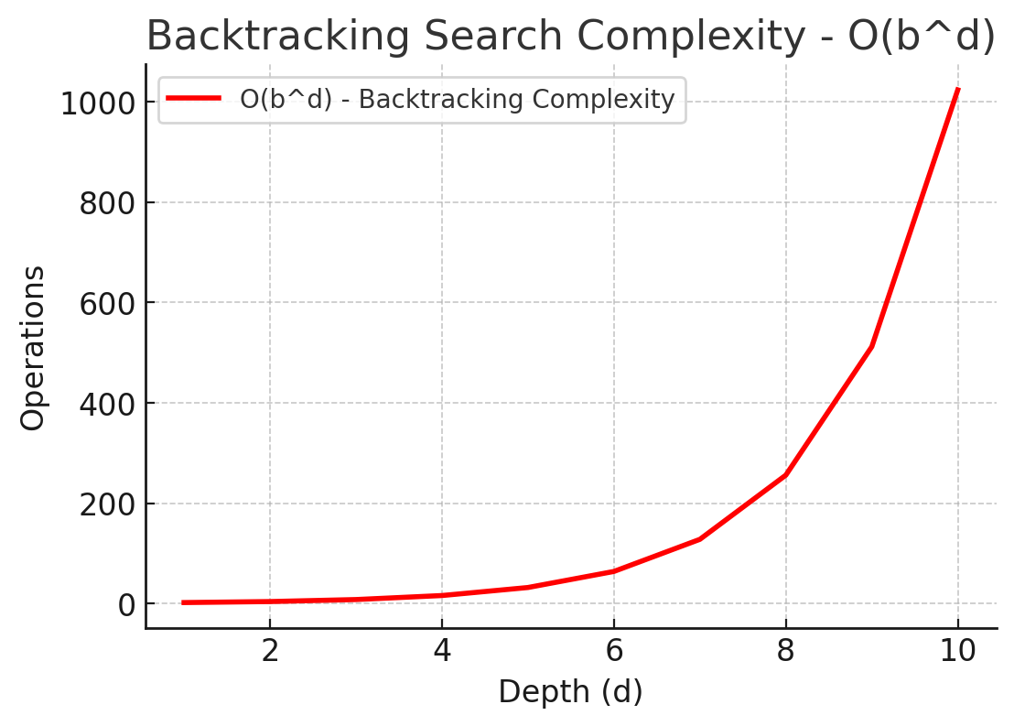
Best Case (O(1)): If a solution is found immediately.
Worst Case (O(bd)): Exponential in the worst case.
Average Case O(bd): The algorithm explores multiple valid solutions.
Now, I will plot its complexity in a Cartesian plane.
Summary of Complexity in a Cartesian Plane
The red line represents O(bd), showing exponential growth as the search depth increases.
Best Case: O(1) if the solution is found immediately.
Worst Case: O(bd), requiring full backtracking.
Average Case: O(bd), as the algorithm explores multiple valid solutions.

Sheet10
Explanation of Branch and Bound (B&B) Algorithm
Definition:
Branch and Bound (B&B) is an optimization algorithm used for solving combinatorial problems
and constraint satisfaction problems (CSPs).
It systematically explores branches of a search tree,
bounding (pruning) branches that cannot lead to an optimal solution.

Use Cases:

Traveling Salesman Problem (TSP) (Finding shortest Hamiltonian cycle).
Knapsack Problem (Maximizing value in a constrained bag).
Integer Programming (Optimization in logistics, scheduling).
Job Scheduling (Minimizing processing time).
Algorithm Steps
Given an optimization problem, follow these steps:

1️. Branch:
Divide the problem into subproblems (child nodes).
Each subproblem represents a partial solution.

2️. Bound:
Compute a bound (estimate) for each subproblem.
If the bound is worse than the best known solution, prune (discard) the branch.
3️. Use a priority queue (min-heap or max-heap):

Select the most promising subproblem first.
Continue branching and bounding until the optimal solution is found.
Branch and Bound reduces the search space by pruning unnecessary paths.

Complexity in a Cartesian Plane | 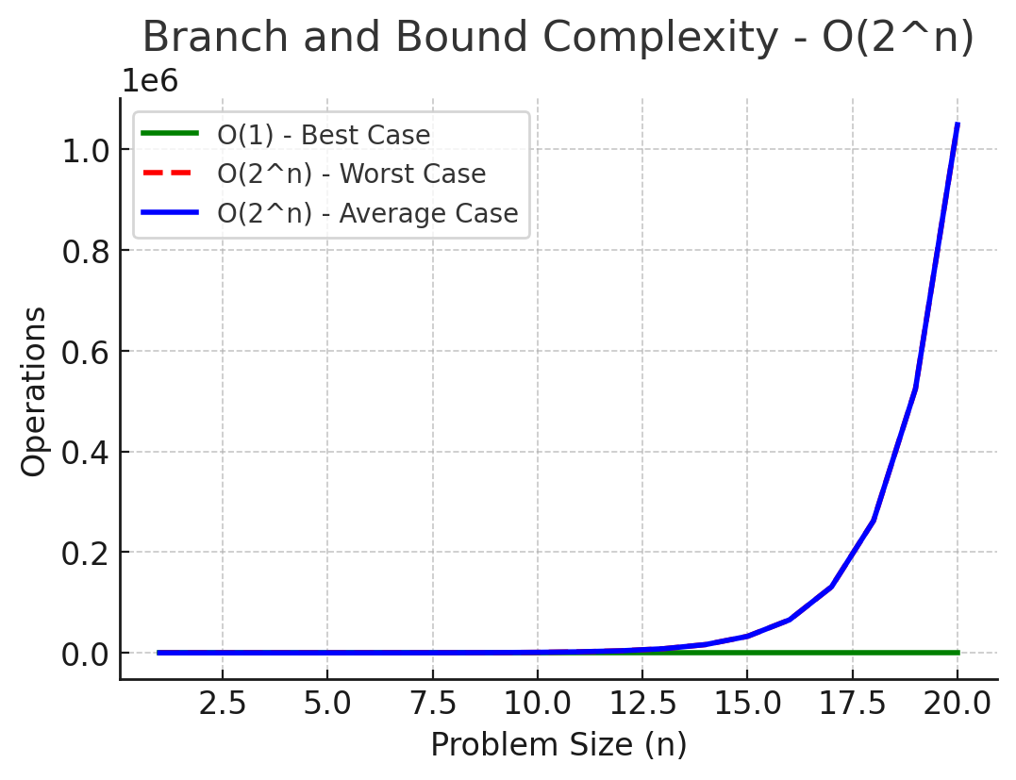
Best Case (O(1)): If an optimal solution is found early.
Worst Case (O(2^n)): Exponential search space.
Average Case (O(2^n)): Many branches get pruned, but exponential time remains.
Now, I will plot its complexity in a Cartesian plane.
Summary of Complexity in a Cartesian Plane
The green line represents O(1) (Best Case) → Immediate optimal solution found.
The blue line represents O(2^n) (Average Case) → Many branches pruned, but still exponential.
The red dashed line represents O(2^n) (Worst Case) → Full search space explored.

Explanation of Greedy Best-First Search (GBFS)
Definition:
Greedy Best-First Search (GBFS) is a graph traversal algorithm that prioritizes exploration
of the node that appears closest to the goal, based on a heuristic function.
Unlike A*, it only considers the heuristic ℎ(𝑛)h(n) and ignores the actual path cost.

Use Cases:
Pathfinding (e.g., GPS navigation, AI movement in games).
Solving mazes (finding an exit in the shortest time).
Web crawling (searching for relevant pages efficiently).
Robot navigation (fast movement towards a target).
Algorithm Steps
Given a graph, a start node, and a goal node, follow these steps:

1️. Initialize the priority queue (min-heap):
Add the start node with its heuristic value ℎ(𝑛)h(n).

2️. Expand the most promising node:
Select the node with the lowest heuristic value ℎ(𝑛)h(n).

3️. Check if it is the goal:
If yes, return the path.

4️. Explore its neighbors:
Add unvisited neighbors to the queue sorted by ℎ(𝑛)h(n).

5️. Repeat until the goal is found or no nodes remain.
GBFS is fast but may not find the shortest path because it ignores actual travel cost.

Complexity in a Cartesian Plane | 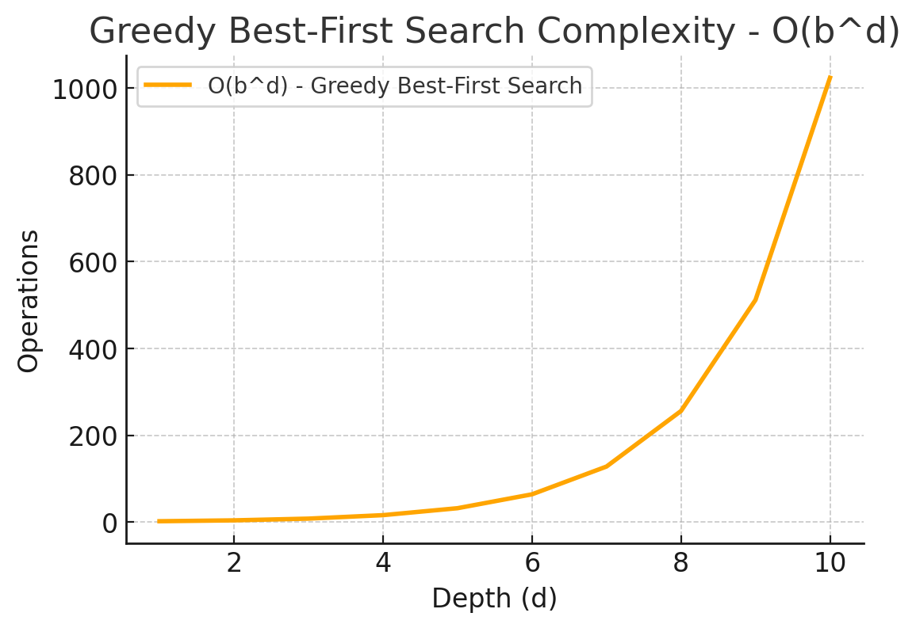
Best Case (O(1)): If the heuristic directly leads to the goal.
Worst Case (𝑂(𝑏𝑑)): In an unbalanced tree where the heuristic misguides the search.
Average Case (𝑂(𝑏𝑑)): Similar to DFS but with heuristic pruning.
Now, I will plot its complexity in a Cartesian plane.
Summary of Complexity in a Cartesian Plane
The orange line represents 𝑂(𝑏𝑑) → Exponential growth as depth increases.
Best Case: 𝑂(1) if the heuristic leads directly to the goal.
Worst Case: 𝑂(𝑏𝑑), where the heuristic misguides the search.
Average Case: 𝑂(𝑏𝑑), similar to Depth-First Search (DFS) but with heuristic pruning.

1 Algorithm
Explanation of Complexity Classes in English | Explicación de las clases de complejidad en inglés
1. 𝑂(1) - Constant Time Complexity | 1. 𝑂(1) - Complejidad de tiempo constante |  | 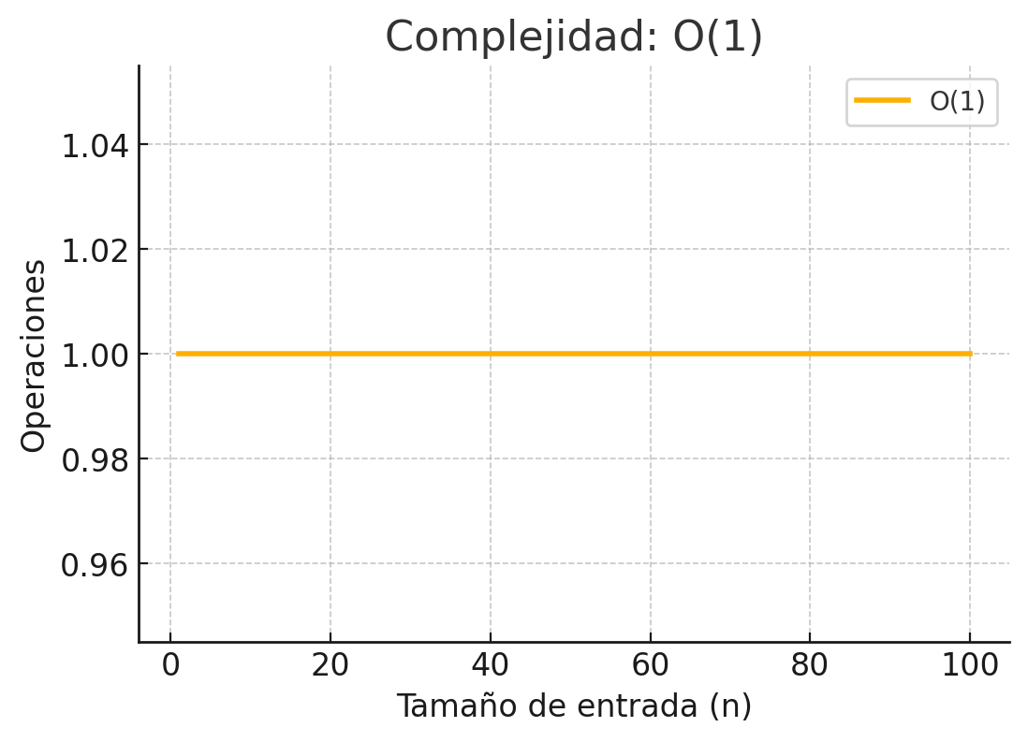
The runtime does not depend on the input size n. | El tiempo de ejecución no depende del tamaño de entrada n.
No matter how large the input is, the number of operations remains the same. | No importa cuán grande sea la entrada, la cantidad de operaciones permanece igual.
Example: Accessing an element in an array by index (arr[i]). | Ejemplo: acceder a un elemento en una matriz por índice (arr[i]).
2. O(log n) - Logarithmic Time Complexity | 2. O(log n) - Complejidad de tiempo logarítmica |  | 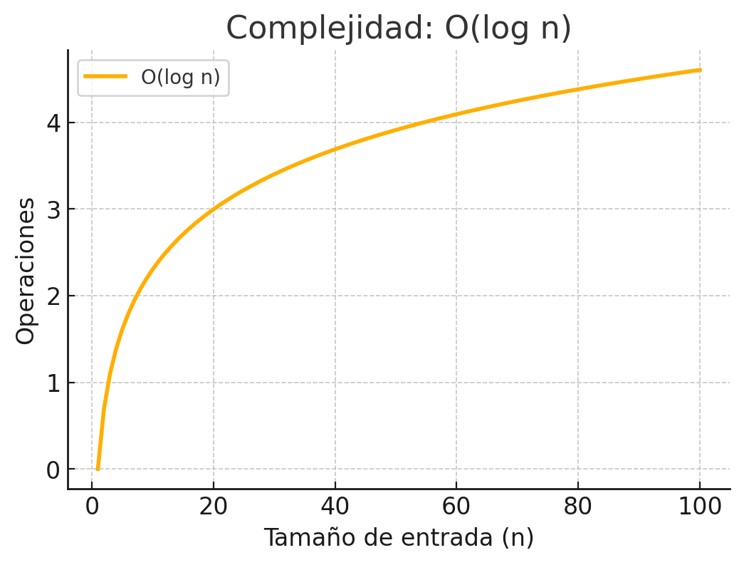
The runtime increases logarithmically as n grows. | El tiempo de ejecución aumenta logarítmicamente a medida que n crece.
This occurs when the problem size is reduced by a constant factor at each step. | Esto ocurre cuando el tamaño del problema se reduce por un factor constante en cada paso.
Example: Binary search, where we halve the search space in each iteration. | Ejemplo: búsqueda binaria, donde dividimos a la mitad el espacio de búsqueda en cada iteración.
3. O(n) - Linear Time Complexity | 3. O(n) - Complejidad de tiempo lineal |  | 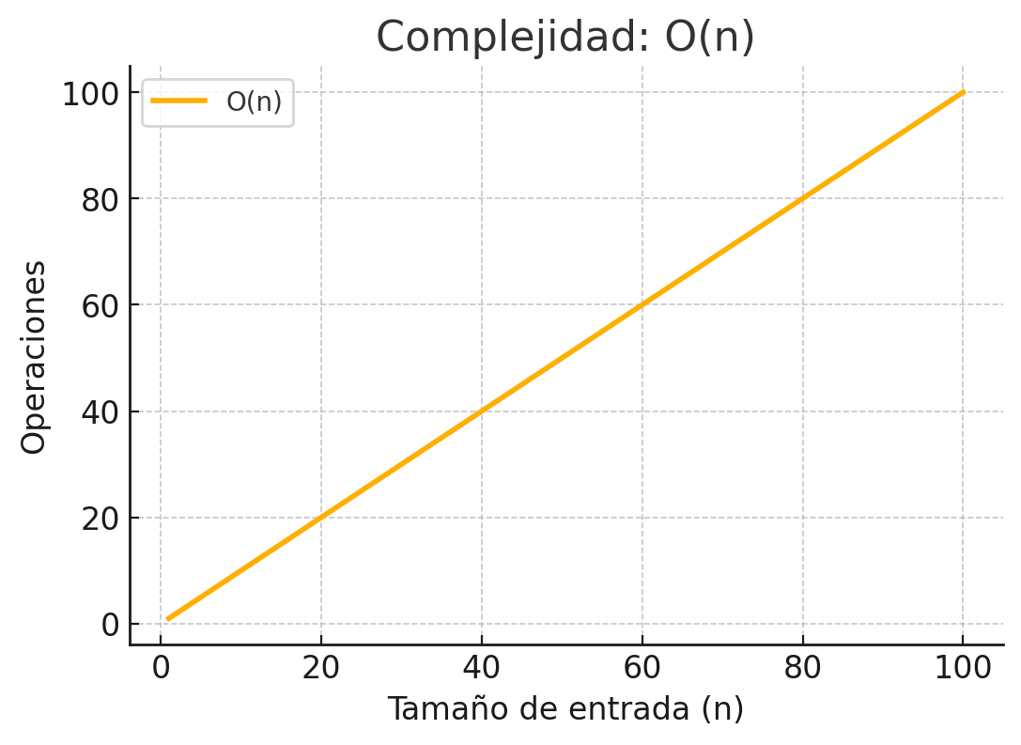
The runtime increases linearly with 𝑛. | El tiempo de ejecución aumenta linealmente con 𝑛.
If the input size doubles, the number of operations also doubles. | Si el tamaño de entrada se duplica, la cantidad de operaciones también se duplica.
Example: Iterating through an array using a single loop. | Ejemplo: iterar a través de una matriz usando un solo bucle.
4. 𝑂(𝑛 log 𝑛) - Quasilinear Time Complexity | 4. 𝑂(𝑛 log 𝑛) - Complejidad temporal cuasililineal |  | 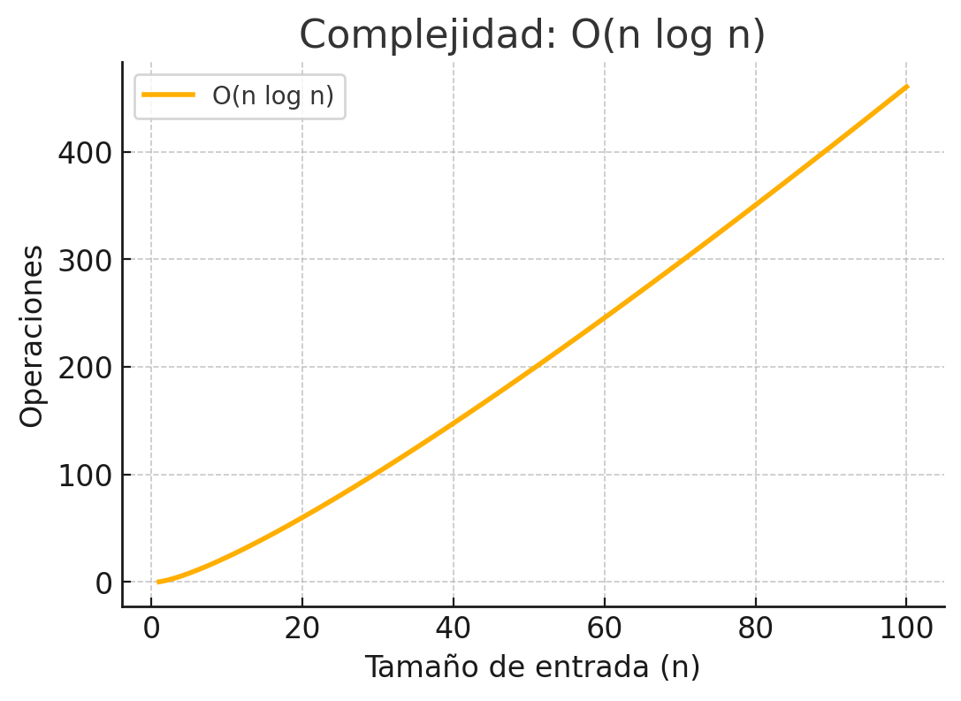
Slightly worse than 𝑂(𝑛) but much better than O(n^2). | Un poco peor que 𝑂(𝑛) pero mucho mejor que O(n^2).
This complexity is typical for efficient sorting algorithms. | Esta complejidad es típica de los algoritmos de ordenamiento eficientes.
Example: Merge Sort and Quick Sort. | Ejemplo: ordenamiento por combinación y ordenamiento rápido.
5. 𝑂(𝑛^2) - Quadratic Time Complexity | 5. 𝑂(𝑛^2) - Complejidad temporal cuadrática |  | 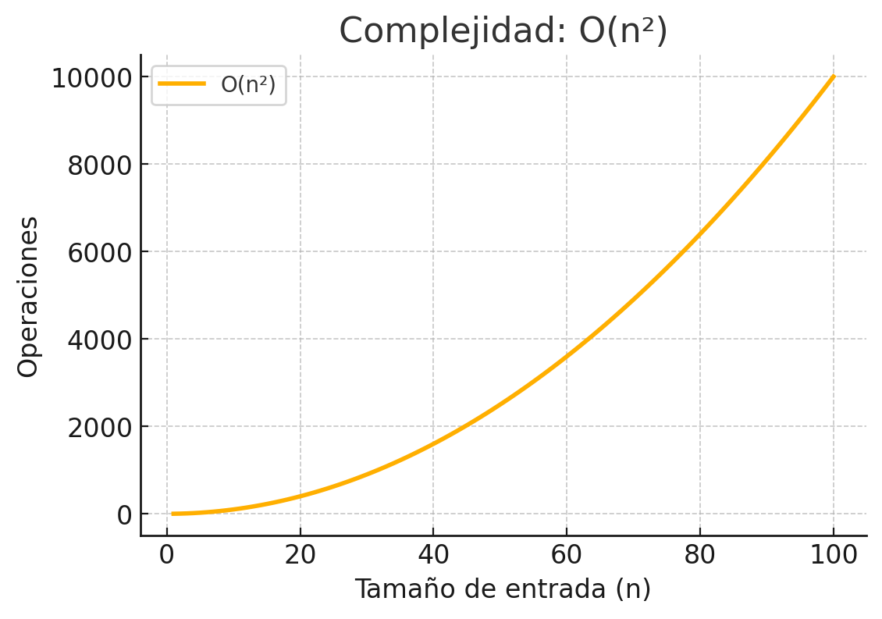
The runtime increases quadratically with n. | El tiempo de ejecución aumenta cuadráticamente con n.
If the input size doubles, the number of operations increases by 𝑛^2. | Si el tamaño de entrada se duplica, la cantidad de operaciones aumenta en 𝑛^2.
Example: Nested loops iterating over all pairs in an array (e.g., Bubble Sort). | Ejemplo: bucles anidados que iteran sobre todos los pares de una matriz (p. ej., ordenamiento de burbuja).
6. 𝑂(2^𝑛) - Exponential Time Complexity | 6. 𝑂(2^𝑛) - Complejidad temporal exponencial |  | 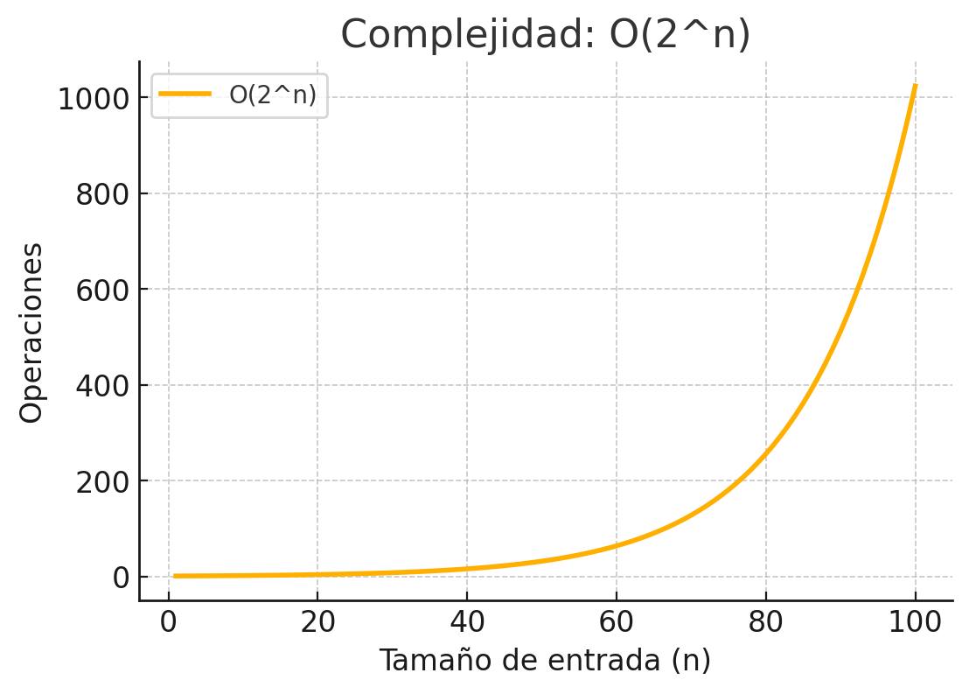
The runtime doubles with each additional input element. | El tiempo de ejecución se duplica con cada elemento de entrada adicional.
Common in brute-force solutions where all possible combinations are explored. | Común en soluciones de fuerza bruta donde se exploran todas las combinaciones posibles.
Example: Recursive solutions to the Fibonacci sequence, subset generation. | Ejemplo: soluciones recursivas para la secuencia de Fibonacci, generación de subconjuntos.
7. 𝑂(𝑛!) - Factorial Time Complexity | 7. 𝑂(𝑛!) - Complejidad temporal factorial |  | 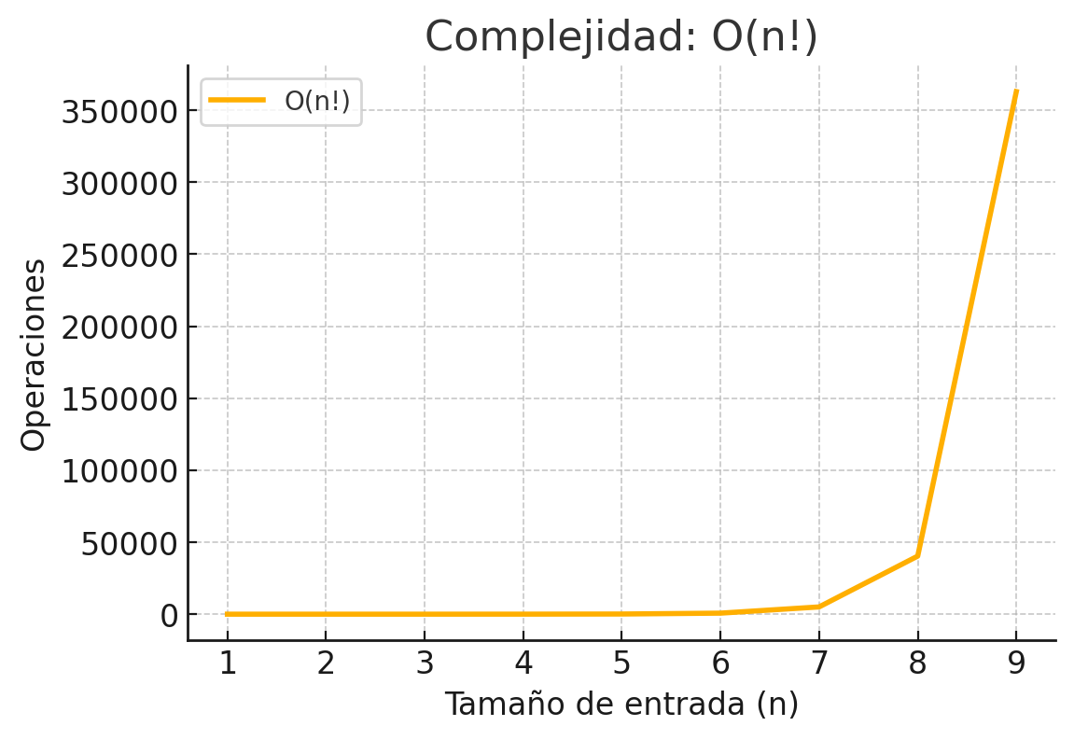
The runtime grows faster than any other common complexity. | El tiempo de ejecución crece más rápido que cualquier otra complejidad común.
Algorithms with this complexity are impractical for large inputs. | Los algoritmos con esta complejidad son poco prácticos para entradas grandes.
Example: Generating all possible permutations of a set | Ejemplo: Generar todas las permutaciones posibles de un conjunto
Interpretation | Interpretación
Fastest complexities: O(1), 𝑂(log 𝑛), and O(n) are the most efficient. | Complejidades más rápidas: O(1), 𝑂(log 𝑛) y O(n) son las más eficientes.
Moderate complexity: O(n log n) is used in efficient sorting. | Complejidad moderada: O(n log n) se utiliza en la ordenación eficiente.
Slow complexities: 𝑂(𝑛^2), 𝑂(2^n), and 𝑂(𝑛!) become impractical for large values of n. | Complejidades lentas: 𝑂(𝑛^2), 𝑂(2^n) y 𝑂(𝑛!) se vuelven imprácticas para valores grandes de n.
How to Calculate Time Complexity by Reading Code | Cómo calcular la complejidad temporal leyendo el código | haʊ tu ˈkælkjəˌleɪt taɪm kəmˈplɛksəti baɪ ˈrɛdɪŋ koʊd
Yes! You can analyze the time complexity of a program by examining its code. | ¡Sí! Puedes analizar la complejidad temporal de un programa examinando su código. | jɛs! ju kæn ˈænəˌlaɪz ðə taɪm kəmˈplɛksəti ʌv ə ˈproʊˌɡræm baɪ ɪɡˈzæmɪnɪŋ ɪts koʊd.
Here’s a step-by-step guide on how to do it. | Aquí tienes una guía paso a paso sobre cómo hacerlo. | hɪrz ə stɛp-baɪ-stɛp ɡaɪd ɑn haʊ tu du ɪt.
Steps to Determine Time Complexity | Pasos para determinar la complejidad temporal | stɛps tu dəˈtɜrmən taɪm kəmˈplɛksəti
Identify loops: The number of iterations usually determines complexity. | Identifica los bucles: la cantidad de iteraciones suele determinar la complejidad. | aɪˈdɛntəˌfaɪ lups: ðə ˈnʌmbər ʌv iterations ˈjuʒəwəli dəˈtɜrmənz kəmˈplɛksəti.
Analyze recursive calls: Check how many times a function calls itself. | Analiza las llamadas recursivas: comprueba cuántas veces se llama a sí misma una función. | ˈænəˌlaɪz recursive kɔlz: ʧɛk haʊ ˈmɛni taɪmz ə ˈfʌŋkʃən kɔlz ɪtˈsɛlf.
Look at nested structures: Multiple loops or recursion may indicate polynomial or exponential complexity. | Observa las estructuras anidadas: varios bucles o recursiones pueden indicar una complejidad polinómica o exponencial. | lʊk æt ˈnɛstɪd ˈstrʌkʧərz: ˈmʌltəpəl lups ɔr recursion meɪ ˈɪndəˌkeɪt ˌpɑˌliˈnoʊmiəl ɔr ˌɛkspoʊˈnɛnʧəl kəmˈplɛksəti.
Consider function calls: If a function runs in O(f(n)) and is called multiple times, multiply complexities. | Considera las llamadas a funciones: si una función se ejecuta en O(f(n)) y se llama varias veces, multiplica las complejidades. | kənˈsɪdər ˈfʌŋkʃən kɔlz: ɪf ə ˈfʌŋkʃən rʌnz ɪn oʊ(ɛf(ɛn)) ænd ɪz kɔld ˈmʌltəpəl taɪmz, ˈmʌltəˌplaɪ kəmˈplɛksɪtiz.
Drop constants: Ignore lower order terms and coefficients (Big-O notation focuses on dominant terms). | Omite las constantes: ignora los términos y coeficientes de orden inferior (la notación Big-O se centra en los términos dominantes). | drɑp ˈkɑnstənts: ɪɡˈnɔr ˈloʊər ˈɔrdər tɜrmz ænd ˌkoʊəˈfɪʃənts (bɪɡ-oʊ noʊˈteɪʃən ˈfoʊkəsɪz ɑn ˈdɑmənənt tɜrmz).
Common Complexity Patterns
Single Loop - O(n) |  |  | 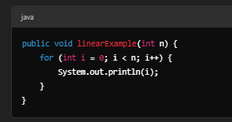
Each iteration runs once per element, leading to O(n).
Complexity Calculation:
Loop runs n times → O(n).
Nested Loops - O(n^2) |  |  | 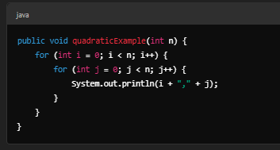
Each outer loop runs n times, and inner loop also runs n times.
Complexity Calculation:
Outer loop runs n times.
Inner loop runs n times per outer iteration.
Total iterations: n×n=n^2→ O(n^2).
Logarithmic Complexity - O(logn) |  |  | 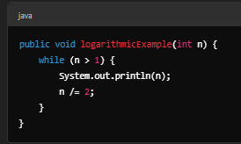
Each iteration divides the problem in half.
Complexity Calculation:
n→n/2→n/4→...→1.
Number of iterations = log2 n.
Time Complexity: O(logn).
Divide & Conquer - O(nlogn) |  |  | 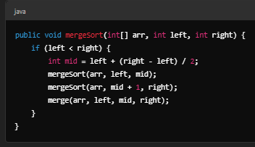
Merge Sort splits the problem into halves and processes each element.
Complexity Calculation:
Splitting takes O(logn).
Merging takes O(n).
Total complexity: O(nlogn).
Exponential Complexity - O(2^n) |  |  | 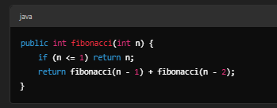
Each function call branches into two new calls.
Complexity Calculation:
Each call spawns 2 more calls.
Total calls grow as O(2^n).
Shortcut to Estimate Complexity
Check Loops:
Single loop → O(n)
Nested loops → O(n^2)
Loop reducing n by half → O(logn)
Check Recursion:
Recursive Fibonacci → O(2 n)
Merge Sort → O(nlogn)
Check Algorithm Behavior:
Sorting → O(nlogn)
Brute force → O(n!)
Direct access → O(1)
Final Thoughts
You can calculate time complexity by reading code.
Look for loops, recursion, and function calls.
Ignore constants and drop non-dominant terms.

